account_length
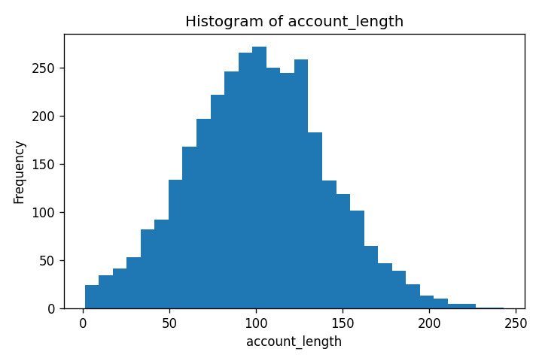
Column: account_length
Value | Count
1 | 8
2 | 1
3 | 5
4 | 1
5 | 1
6 | 2
7 | 2
8 | 1
9 | 3
10 | 3
11 | 4
12 | 3
13 | 9
15 | 3
16 | 8
17 | 4
18 | 2
19 | 5
20 | 3
21 | 8
22 | 6
23 | 4
24 | 8
25 | 5
26 | 1
27 | 9
28 | 6
29 | 5
30 | 8
31 | 7
32 | 7
33 | 10
34 | 7
35 | 9
36 | 14
37 | 13
38 | 9
39 | 7
40 | 9
41 | 14
42 | 10
43 | 12
44 | 10
45 | 13
46 | 14
47 | 9
48 | 17
49 | 7
50 | 15
51 | 15
52 | 18
53 | 14
54 | 17
55 | 19
56 | 17
57 | 19
58 | 16
59 | 18
60 | 17
61 | 17
62 | 20
63 | 27
64 | 32
65 | 21
66 | 21
67 | 27
68 | 30
69 | 17
70 | 26
71 | 19
72 | 25
73 | 32
74 | 32
75 | 32
76 | 24
77 | 22
78 | 31
79 | 23
80 | 33
81 | 25
82 | 25
83 | 24
84 | 27
85 | 30
86 | 38
87 | 42
88 | 34
89 | 26
90 | 39
91 | 28
92 | 33
93 | 40
94 | 33
95 | 38
96 | 26
97 | 29
98 | 32
99 | 36
100 | 37
101 | 40
102 | 23
103 | 33
104 | 28
105 | 43
106 | 34
107 | 36
108 | 30
109 | 24
110 | 29
111 | 29
112 | 36
113 | 32
114 | 23
115 | 31
116 | 37
117 | 32
118 | 24
119 | 32
120 | 35
121 | 31
122 | 34
123 | 35
124 | 28
125 | 28
126 | 21
127 | 35
128 | 22
129 | 26
130 | 30
131 | 25
132 | 27
133 | 17
134 | 21
135 | 18
136 | 25
137 | 25
138 | 25
139 | 19
140 | 15
141 | 22
142 | 15
143 | 16
144 | 15
145 | 13
146 | 18
147 | 18
148 | 26
149 | 21
150 | 11
151 | 12
152 | 12
153 | 11
154 | 8
155 | 17
156 | 8
157 | 13
158 | 10
159 | 11
160 | 14
161 | 18
162 | 11
163 | 13
164 | 6
165 | 9
166 | 13
167 | 6
168 | 5
169 | 7
170 | 6
171 | 6
172 | 9
173 | 5
174 | 8
175 | 1
176 | 6
177 | 9
178 | 3
179 | 6
180 | 5
181 | 5
182 | 6
183 | 5
184 | 4
185 | 6
186 | 2
188 | 1
189 | 6
190 | 7
191 | 1
192 | 3
193 | 4
194 | 3
195 | 2
196 | 2
197 | 3
199 | 1
200 | 1
201 | 3
202 | 1
204 | 2
205 | 2
208 | 1
209 | 3
210 | 2
212 | 2
215 | 1
217 | 2
221 | 1
224 | 2
225 | 2
232 | 1
243 | 1

area_code
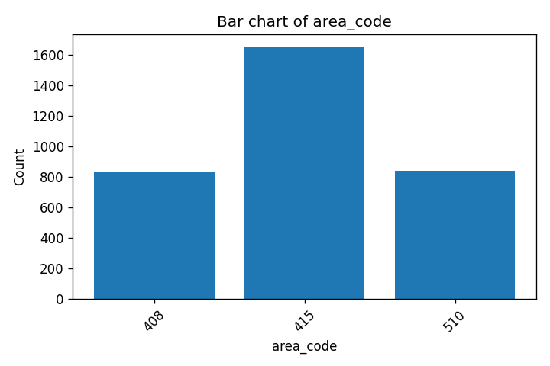
Column: area_code
Value | Count
408 | 838
415 | 1655
510 | 840

international_plan
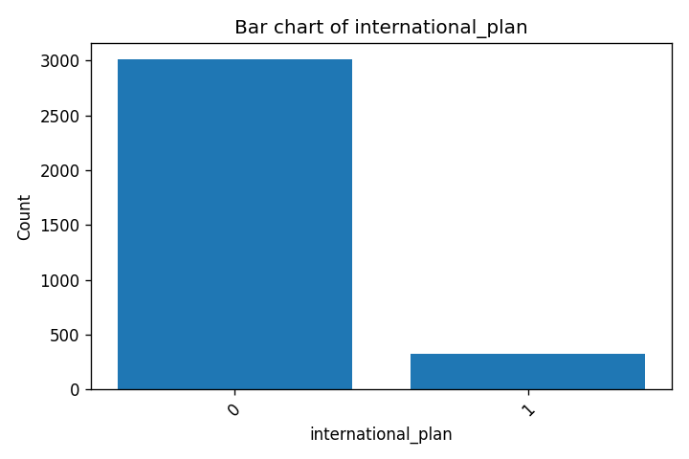
Column: international_plan
Value | Count
0 | 3010
1 | 323

voice_mail_plan
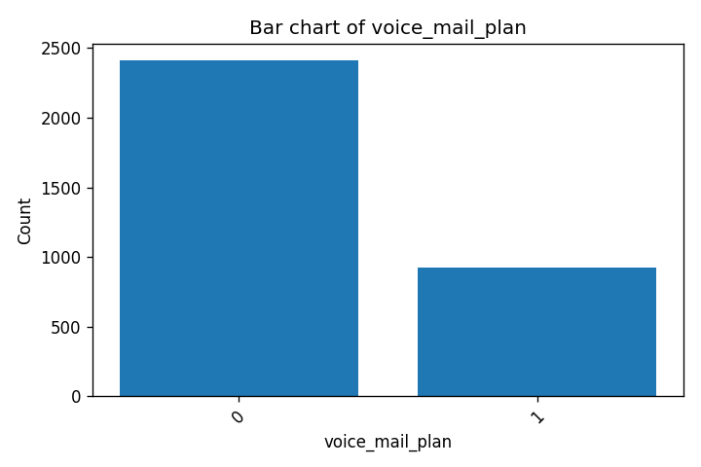
Column: voice_mail_plan
Value | Count
0 | 2411
1 | 922

number_vmail_messages
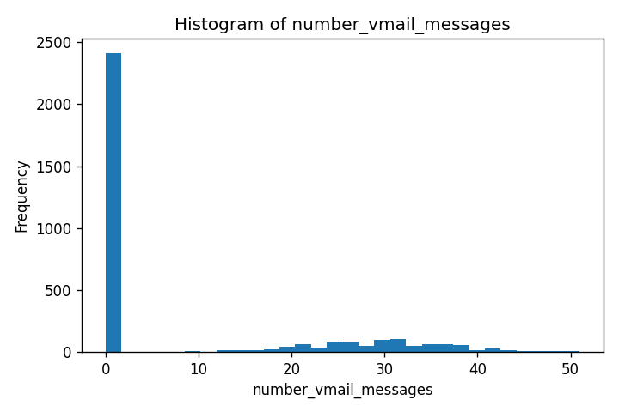
Column: number_vmail_messages
Value | Count
0 | 2411
4 | 1
8 | 2
9 | 2
10 | 1
11 | 2
12 | 6
13 | 4
14 | 7
15 | 9
16 | 13
17 | 14
18 | 7
19 | 19
20 | 22
21 | 28
22 | 32
23 | 36
24 | 42
25 | 37
26 | 41
27 | 44
28 | 51
29 | 53
30 | 44
31 | 60
32 | 41
33 | 46
34 | 29
35 | 32
36 | 34
37 | 29
38 | 25
39 | 30
40 | 16
41 | 13
42 | 15
43 | 9
44 | 7
45 | 6
46 | 4
47 | 3
48 | 2
49 | 1
50 | 2
51 | 1

total_day_minutes
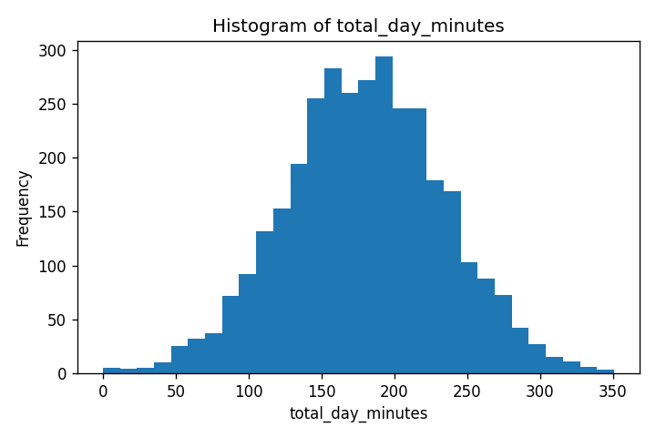
Column: total_day_minutes
Value | Count
0.0 | 2
2.6 | 1
7.8 | 1
7.9 | 1
12.5 | 1
17.6 | 1
18.9 | 1
19.5 | 1
25.9 | 1
27.0 | 1
29.9 | 1
30.9 | 1
34.0 | 1
35.1 | 1
37.7 | 1
37.8 | 1
39.5 | 1
40.4 | 1
40.9 | 1
41.9 | 1
44.9 | 1
45.0 | 1
46.5 | 1
47.4 | 1
47.7 | 1
47.8 | 1
48.4 | 1
49.2 | 1
49.9 | 1
50.6 | 1
51.1 | 1
51.5 | 1
51.8 | 1
51.9 | 1
52.2 | 1
54.0 | 1
54.2 | 1
54.7 | 1
54.8 | 1
55.3 | 1
55.6 | 2
57.1 | 1
57.5 | 1
58.0 | 1
58.2 | 2
58.4 | 1
58.8 | 1
58.9 | 2
59.5 | 1
60.0 | 1
60.4 | 1
60.6 | 1
61.2 | 1
61.3 | 1
61.6 | 2
61.9 | 1
62.3 | 1
62.4 | 1
62.6 | 1
62.8 | 1
62.9 | 2
63.2 | 1
63.7 | 1
64.6 | 1
64.9 | 1
65.4 | 1
67.4 | 1
67.7 | 1
68.4 | 1
68.5 | 1
68.7 | 1
69.1 | 3
69.4 | 1
70.7 | 2
70.8 | 1
70.9 | 2
71.2 | 3
72.5 | 1
72.7 | 1
72.8 | 2
73.3 | 1
73.8 | 1
74.3 | 1
74.5 | 1
75.0 | 1
75.3 | 1
75.8 | 1
76.1 | 1
76.4 | 1
77.6 | 1
78.1 | 1
78.2 | 2
78.3 | 1
78.5 | 1
78.6 | 1
78.7 | 1
80.2 | 1
80.3 | 2
81.1 | 1
81.3 | 1
81.6 | 2
81.7 | 1
81.9 | 1
82.2 | 1
82.3 | 2
82.5 | 1
82.6 | 2
82.7 | 1
83.0 | 1
83.2 | 1
83.4 | 1
83.5 | 1
83.6 | 2
83.8 | 1
84.2 | 1
84.7 | 1
84.8 | 1
84.9 | 1
85.2 | 1
85.7 | 2
85.8 | 1
85.9 | 2
86.0 | 1
86.1 | 1
86.3 | 2
86.5 | 1
86.8 | 1
87.0 | 1
87.2 | 1
87.6 | 2
87.7 | 3
88.1 | 1
88.5 | 2
88.8 | 1
89.5 | 3
89.7 | 3
89.8 | 1
90.0 | 1
90.4 | 2
90.5 | 1
90.6 | 1
90.7 | 1
91.1 | 1
91.5 | 1
91.7 | 2
91.9 | 1
92.0 | 1
92.2 | 1
92.3 | 1
92.4 | 1
92.6 | 2
92.7 | 1
92.8 | 2
93.3 | 1
93.4 | 1
93.5 | 1
93.6 | 1
93.8 | 1
94.1 | 2
94.2 | 1
94.4 | 2
94.7 | 1
94.8 | 1
94.9 | 1
95.0 | 2
95.4 | 1
95.5 | 1
95.9 | 2
96.0 | 1
96.1 | 1
96.2 | 1
96.3 | 1
96.5 | 2
96.6 | 1
96.7 | 1
96.8 | 2
97.1 | 1
97.2 | 2
97.4 | 1
97.5 | 3
97.6 | 1
97.8 | 1
98.0 | 1
98.2 | 3
98.4 | 1
98.8 | 1
98.9 | 1
99.3 | 1
99.4 | 1
99.5 | 1
99.6 | 1
99.7 | 1
99.9 | 1
100.0 | 1
100.1 | 2
100.8 | 1
101.0 | 1
101.1 | 2
101.2 | 1
101.4 | 2
101.7 | 1
101.9 | 1
102.0 | 2
102.1 | 1
102.3 | 1
102.6 | 1
102.7 | 1
102.8 | 3
103.0 | 1
103.1 | 2
103.2 | 1
103.3 | 3
103.4 | 1
103.5 | 2
103.7 | 2
104.0 | 1
104.6 | 1
104.7 | 2
104.9 | 3
105.0 | 3
105.2 | 1
105.3 | 1
105.4 | 1
105.6 | 1
105.7 | 1
105.8 | 1
105.9 | 2
106.1 | 2
106.4 | 3
106.5 | 1
106.6 | 2
106.7 | 1
107.0 | 1
107.2 | 1
107.3 | 1
107.5 | 1
107.7 | 1
107.8 | 1
107.9 | 3
108.0 | 1
108.3 | 1
108.6 | 2
109.0 | 2
109.1 | 4
109.2 | 1
109.4 | 3
109.5 | 2
109.6 | 2
109.7 | 1
109.8 | 2
109.9 | 1
110.0 | 2
110.1 | 1
110.3 | 2
110.4 | 1
110.5 | 3
110.9 | 3
111.0 | 1
111.1 | 2
111.2 | 2
111.4 | 1
111.6 | 1
111.7 | 1
111.8 | 1
111.9 | 2
112.0 | 2
112.2 | 2
112.6 | 1
112.7 | 1
112.8 | 4
113.0 | 2
113.1 | 1
113.2 | 3
113.3 | 1
113.6 | 1
113.7 | 2
113.8 | 1
113.9 | 1
114.1 | 1
114.3 | 3
114.4 | 3
114.8 | 3
115.0 | 2
115.1 | 2
115.3 | 1
115.4 | 5
115.5 | 3
115.6 | 3
115.7 | 1
115.8 | 1
115.9 | 2
116.0 | 1
116.1 | 1
116.2 | 1
116.4 | 1
116.7 | 2
116.8 | 2
116.9 | 2
117.1 | 2
117.3 | 2
117.5 | 1
117.6 | 3
117.8 | 2
117.9 | 2
118.0 | 2
118.1 | 3
118.2 | 1
118.4 | 2
118.5 | 2
118.6 | 1
118.7 | 1
118.9 | 2
119.0 | 2
119.1 | 1
119.2 | 2
119.3 | 4
119.4 | 1
119.6 | 1
119.7 | 2
120.3 | 1
120.5 | 2
120.7 | 1
120.8 | 1
120.9 | 2
121.0 | 2
121.1 | 3
121.5 | 2
121.6 | 1
121.7 | 2
121.8 | 1
122.0 | 2
122.2 | 2
122.3 | 1
122.4 | 2
122.5 | 1
122.8 | 1
122.9 | 1
123.0 | 1
123.1 | 3
123.2 | 1
123.3 | 1
123.7 | 3
123.8 | 2
124.0 | 2
124.1 | 2
124.2 | 1
124.3 | 5
124.4 | 2
124.5 | 2
124.6 | 1
124.7 | 1
124.8 | 4
124.9 | 1
125.0 | 1
125.1 | 1
125.2 | 4
125.3 | 2
125.4 | 2
125.5 | 2
125.6 | 1
125.7 | 2
125.8 | 1
125.9 | 1
126.0 | 2
126.1 | 1
126.3 | 4
126.7 | 2
126.8 | 1
126.9 | 2
127.0 | 2
127.1 | 3
127.2 | 1
127.3 | 2
127.4 | 1
127.7 | 2
127.8 | 1
127.9 | 1
128.1 | 2
128.2 | 4
128.3 | 2
128.5 | 2
128.6 | 2
128.7 | 4
128.8 | 4
129.0 | 2
129.1 | 1
129.2 | 1
129.3 | 3
129.4 | 2
129.5 | 2
129.6 | 2
129.7 | 2
129.9 | 3
130.0 | 1
130.1 | 3
130.2 | 2
130.5 | 2
130.6 | 1
130.7 | 1
130.8 | 1
130.9 | 1
131.1 | 2
131.2 | 3
131.4 | 1
131.5 | 2
131.6 | 3
131.7 | 2
131.8 | 2
131.9 | 2
132.0 | 4
132.1 | 2
132.4 | 2
132.6 | 1
132.7 | 1
132.9 | 1
133.0 | 1
133.1 | 2
133.2 | 1
133.3 | 5
133.4 | 3
133.5 | 1
133.7 | 2
133.8 | 2
133.9 | 1
134.0 | 2
134.1 | 1
134.2 | 4
134.3 | 2
134.4 | 2
134.5 | 1
134.7 | 4
134.8 | 2
134.9 | 4
135.0 | 1
135.1 | 2
135.2 | 2
135.4 | 3
135.7 | 1
135.8 | 3
135.9 | 3
136.1 | 4
136.2 | 2
136.3 | 1
136.4 | 1
136.6 | 1
136.7 | 2
136.8 | 2
137.0 | 1
137.1 | 3
137.2 | 1
137.3 | 2
137.4 | 3
137.5 | 2
137.6 | 2
137.8 | 4
137.9 | 1
138.1 | 4
138.3 | 3
138.4 | 1
138.5 | 1
138.6 | 2
138.7 | 2
138.8 | 1
138.9 | 2
139.0 | 3
139.1 | 1
139.2 | 1
139.3 | 2
139.4 | 3
139.5 | 1
139.6 | 4
139.7 | 1
139.8 | 2
139.9 | 1
140.0 | 2
140.1 | 3
140.2 | 1
140.4 | 2
140.5 | 1
140.6 | 1
140.7 | 2
140.8 | 1
141.0 | 1
141.1 | 4
141.2 | 2
141.3 | 5
141.4 | 4
141.5 | 1
141.6 | 1
141.7 | 4
141.8 | 1
141.9 | 1
142.0 | 1
142.1 | 2
142.2 | 1
142.3 | 6
142.4 | 3
142.5 | 4
142.6 | 1
142.8 | 1
142.9 | 2
143.0 | 1
143.1 | 2
143.2 | 5
143.3 | 4
143.4 | 2
143.5 | 3
143.6 | 3
143.7 | 4
143.8 | 1
143.9 | 2
144.0 | 3
144.1 | 2
144.2 | 2
144.3 | 1
144.4 | 2
144.5 | 2
144.6 | 2
144.8 | 4
144.9 | 1
145.0 | 5
145.1 | 1
145.3 | 1
145.4 | 2
145.5 | 2
145.6 | 5
145.7 | 2
145.8 | 1
145.9 | 1
146.0 | 2
146.1 | 2
146.2 | 1
146.3 | 6
146.4 | 5
146.5 | 3
146.6 | 2
146.7 | 4
146.8 | 3
146.9 | 1
147.0 | 3
147.1 | 4
147.2 | 4
147.5 | 2
147.7 | 2
147.8 | 2
147.9 | 2
148.1 | 2
148.2 | 5
148.3 | 1
148.4 | 2
148.5 | 5
148.6 | 2
148.7 | 2
148.8 | 1
149.0 | 4
149.2 | 3
149.3 | 4
149.4 | 4
149.6 | 2
149.7 | 4
149.8 | 3
149.9 | 2
150.0 | 6
150.1 | 2
150.2 | 1
150.3 | 1
150.4 | 1
150.5 | 3
150.6 | 3
150.7 | 2
150.8 | 1
150.9 | 2
151.0 | 3
151.1 | 3
151.4 | 2
151.5 | 4
151.6 | 2
151.7 | 2
151.8 | 3
152.0 | 2
152.1 | 2
152.2 | 3
152.3 | 1
152.4 | 1
152.5 | 1
152.6 | 1
152.7 | 1
152.8 | 2
152.9 | 3
153.0 | 1
153.1 | 2
153.2 | 3
153.3 | 1
153.4 | 2
153.5 | 6
153.6 | 4
153.7 | 3
153.8 | 2
153.9 | 2
154.0 | 8
154.1 | 4
154.2 | 4
154.3 | 1
154.4 | 4
154.5 | 3
154.6 | 5
154.7 | 2
154.8 | 4
155.0 | 4
155.1 | 1
155.2 | 6
155.3 | 3
155.4 | 3
155.5 | 2
155.7 | 3
155.9 | 3
156.0 | 3
156.1 | 2
156.2 | 3
156.4 | 4
156.5 | 3
156.6 | 4
156.7 | 1
156.8 | 1
156.9 | 1
157.0 | 2
157.1 | 6
157.2 | 1
157.3 | 3
157.4 | 3
157.5 | 2
157.6 | 4
157.7 | 1
157.8 | 2
157.9 | 4
158.0 | 3
158.1 | 2
158.4 | 2
158.6 | 3
158.7 | 4
158.8 | 3
158.9 | 1
159.0 | 2
159.1 | 5
159.3 | 3
159.4 | 1
159.5 | 8
159.6 | 1
159.7 | 4
159.8 | 3
159.9 | 2
160.0 | 5
160.1 | 5
160.2 | 2
160.3 | 3
160.4 | 4
160.5 | 1
160.6 | 3
160.7 | 1
160.8 | 1
160.9 | 2
161.0 | 3
161.1 | 1
161.2 | 2
161.3 | 3
161.4 | 2
161.5 | 3
161.6 | 3
161.7 | 1
161.8 | 1
161.9 | 3
162.0 | 3
162.1 | 3
162.3 | 7
162.4 | 1
162.6 | 3
162.7 | 1
162.8 | 3
163.0 | 3
163.1 | 2
163.2 | 1
163.3 | 1
163.4 | 2
163.5 | 3
163.6 | 2
163.7 | 1
163.8 | 3
164.0 | 1
164.1 | 2
164.2 | 2
164.3 | 1
164.5 | 2
164.6 | 2
164.8 | 1
164.9 | 3
165.0 | 4
165.1 | 1
165.3 | 3
165.4 | 5
165.5 | 2
165.6 | 2
165.7 | 2
165.8 | 2
165.9 | 2
166.0 | 4
166.1 | 2
166.2 | 3
166.3 | 2
166.4 | 3
166.5 | 4
166.6 | 2
166.7 | 2
166.8 | 2
166.9 | 4
167.1 | 2
167.3 | 4
167.4 | 4
167.5 | 2
167.6 | 4
167.7 | 2
167.8 | 6
167.9 | 2
168.0 | 2
168.2 | 2
168.3 | 3
168.4 | 4
168.6 | 6
168.8 | 2
168.9 | 1
169.0 | 1
169.1 | 1
169.2 | 4
169.3 | 5
169.4 | 3
169.5 | 4
169.6 | 3
169.7 | 2
169.8 | 4
169.9 | 3
170.1 | 2
170.2 | 2
170.4 | 3
170.5 | 6
170.6 | 1
170.7 | 4
170.8 | 2
170.9 | 2
171.1 | 1
171.2 | 5
171.4 | 1
171.5 | 2
171.6 | 2
171.7 | 3
171.8 | 2
171.9 | 1
172.0 | 2
172.1 | 2
172.2 | 1
172.3 | 2
172.4 | 2
172.5 | 2
172.7 | 3
172.8 | 3
172.9 | 2
173.0 | 3
173.1 | 3
173.2 | 3
173.4 | 2
173.5 | 2
173.6 | 1
173.7 | 1
173.9 | 2
174.0 | 5
174.1 | 2
174.3 | 4
174.4 | 4
174.5 | 8
174.6 | 2
174.7 | 4
174.8 | 1
174.9 | 2
175.1 | 2
175.2 | 3
175.3 | 4
175.4 | 7
175.5 | 4
175.6 | 2
175.7 | 5
175.8 | 5
175.9 | 3
176.0 | 1
176.1 | 3
176.2 | 3
176.3 | 3
176.4 | 3
176.6 | 2
176.7 | 1
176.8 | 3
176.9 | 3
177.1 | 5
177.2 | 5
177.3 | 2
177.4 | 2
177.5 | 1
177.6 | 1
177.7 | 1
177.9 | 3
178.0 | 1
178.1 | 4
178.2 | 1
178.3 | 3
178.4 | 3
178.5 | 1
178.6 | 1
178.7 | 6
178.8 | 3
178.9 | 1
179.1 | 3
179.2 | 5
179.3 | 5
179.4 | 5
179.5 | 2
179.7 | 2
179.8 | 1
179.9 | 3
180.0 | 4
180.1 | 1
180.2 | 1
180.3 | 1
180.4 | 2
180.5 | 3
180.6 | 2
180.7 | 3
180.8 | 1
180.9 | 2
181.1 | 2
181.2 | 1
181.3 | 1
181.4 | 3
181.5 | 6
181.6 | 3
181.8 | 4
181.9 | 1
182.0 | 1
182.1 | 5
182.2 | 1
182.3 | 4
182.5 | 2
182.6 | 1
182.7 | 1
182.8 | 1
182.9 | 2
183.0 | 3
183.1 | 3
183.2 | 4
183.3 | 2
183.4 | 7
183.5 | 1
183.6 | 5
183.8 | 4
183.9 | 2
184.0 | 2
184.1 | 4
184.2 | 3
184.4 | 1
184.5 | 6
184.6 | 1
184.7 | 1
184.8 | 3
185.0 | 6
185.1 | 3
185.2 | 1
185.3 | 3
185.4 | 3
185.6 | 1
185.7 | 1
185.8 | 2
185.9 | 1
186.0 | 3
186.1 | 4
186.2 | 2
186.4 | 1
186.5 | 1
186.6 | 1
186.7 | 1
186.8 | 4
186.9 | 3
187.0 | 2
187.1 | 1
187.2 | 2
187.3 | 3
187.4 | 2
187.5 | 3
187.6 | 2
187.7 | 2
187.8 | 4
187.9 | 3
188.0 | 2
188.4 | 1
188.5 | 2
188.8 | 1
188.9 | 3
189.0 | 1
189.1 | 3
189.2 | 1
189.3 | 6
189.4 | 1
189.5 | 5
189.6 | 2
189.7 | 3
189.8 | 6
190.0 | 3
190.1 | 2
190.2 | 4
190.3 | 5
190.4 | 4
190.5 | 4
190.6 | 4
190.7 | 3
190.8 | 1
190.9 | 3
191.0 | 1
191.1 | 3
191.2 | 1
191.3 | 4
191.4 | 5
191.5 | 1
191.6 | 1
191.7 | 2
191.8 | 1
191.9 | 5
192.0 | 3
192.1 | 4
192.2 | 1
192.3 | 4
192.4 | 1
192.6 | 4
192.7 | 1
192.8 | 3
192.9 | 1
193.0 | 4
193.1 | 2
193.2 | 1
193.3 | 5
193.4 | 3
193.5 | 1
193.6 | 2
193.7 | 5
193.8 | 5
193.9 | 2
194.0 | 2
194.1 | 2
194.2 | 4
194.3 | 3
194.4 | 5
194.5 | 2
194.6 | 2
194.8 | 6
194.9 | 1
195.0 | 2
195.1 | 2
195.3 | 1
195.4 | 4
195.5 | 1
195.6 | 2
195.7 | 2
195.9 | 4
196.0 | 3
196.1 | 4
196.2 | 1
196.3 | 1
196.4 | 2
196.5 | 4
196.6 | 4
196.7 | 1
196.8 | 3
197.0 | 6
197.1 | 5
197.2 | 5
197.3 | 3
197.4 | 2
197.5 | 1
197.6 | 3
197.7 | 4
197.8 | 2
197.9 | 4
198.0 | 1
198.1 | 2
198.2 | 4
198.3 | 3
198.4 | 6
198.5 | 4
198.6 | 1
198.7 | 2
198.8 | 4
198.9 | 2
199.0 | 1
199.1 | 1
199.2 | 4
199.3 | 3
199.5 | 2
199.6 | 2
199.8 | 1
199.9 | 1
200.0 | 1
200.1 | 2
200.2 | 3
200.3 | 5
200.4 | 3
200.6 | 3
200.7 | 1
200.9 | 1
201.1 | 2
201.2 | 2
201.3 | 4
201.4 | 3
201.5 | 1
201.7 | 1
201.8 | 3
201.9 | 4
202.0 | 3
202.1 | 2
202.2 | 1
202.3 | 2
202.4 | 2
202.5 | 1
202.6 | 2
202.7 | 1
202.8 | 1
202.9 | 2
203.0 | 1
203.1 | 2
203.2 | 2
203.3 | 3
203.4 | 6
203.5 | 3
203.6 | 1
203.7 | 1
203.8 | 4
203.9 | 3
204.0 | 2
204.2 | 3
204.3 | 2
204.4 | 3
204.5 | 4
204.6 | 3
204.7 | 2
204.8 | 1
204.9 | 2
205.0 | 3
205.1 | 2
205.2 | 4
205.3 | 2
205.4 | 1
205.5 | 2
205.6 | 1
205.7 | 3
205.9 | 3
206.0 | 2
206.1 | 1
206.2 | 6
206.3 | 4
206.4 | 1
206.5 | 2
206.6 | 1
206.7 | 2
206.9 | 6
207.0 | 4
207.1 | 1
207.2 | 4
207.3 | 2
207.5 | 1
207.6 | 5
207.7 | 5
207.8 | 2
207.9 | 3
208.0 | 3
208.3 | 3
208.4 | 1
208.7 | 3
208.8 | 4
208.9 | 2
209.1 | 2
209.2 | 3
209.4 | 5
209.5 | 2
209.6 | 2
209.7 | 1
209.8 | 4
209.9 | 5
210.0 | 1
210.1 | 1
210.2 | 1
210.3 | 3
210.4 | 2
210.5 | 2
210.6 | 3
210.7 | 2
210.8 | 1
210.9 | 1
211.0 | 3
211.1 | 3
211.2 | 4
211.3 | 3
211.5 | 1
211.6 | 1
211.7 | 4
211.8 | 2
211.9 | 3
212.0 | 2
212.1 | 3
212.3 | 3
212.4 | 1
212.7 | 2
212.8 | 2
212.9 | 1
213.0 | 4
213.1 | 1
213.2 | 1
213.4 | 3
213.5 | 1
213.6 | 2
213.7 | 1
213.8 | 3
213.9 | 3
214.0 | 2
214.1 | 4
214.2 | 3
214.3 | 4
214.4 | 3
214.6 | 4
214.7 | 3
214.8 | 3
214.9 | 2
215.1 | 2
215.3 | 1
215.4 | 2
215.5 | 4
215.6 | 6
215.7 | 1
215.8 | 1
215.9 | 5
216.0 | 6
216.1 | 1
216.2 | 4
216.3 | 1
216.4 | 1
216.6 | 2
216.7 | 2
216.8 | 4
216.9 | 2
217.0 | 2
217.1 | 4
217.2 | 4
217.3 | 1
217.4 | 1
217.5 | 1
217.6 | 2
217.7 | 2
217.8 | 3
217.9 | 1
218.0 | 2
218.2 | 2
218.4 | 1
218.5 | 3
218.6 | 1
218.7 | 4
218.8 | 2
218.9 | 2
219.1 | 2
219.2 | 3
219.4 | 2
219.5 | 1
219.6 | 3
219.7 | 1
219.9 | 3
220.0 | 3
220.1 | 3
220.2 | 3
220.3 | 2
220.4 | 1
220.5 | 1
220.6 | 2
220.7 | 4
220.8 | 3
220.9 | 2
221.0 | 4
221.1 | 5
221.2 | 1
221.3 | 3
221.4 | 2
221.6 | 4
221.7 | 2
221.8 | 4
221.9 | 2
222.0 | 1
222.1 | 2
222.2 | 3
222.3 | 3
222.4 | 3
222.5 | 2
222.6 | 1
222.7 | 2
222.8 | 5
222.9 | 1
223.0 | 2
223.2 | 4
223.3 | 1
223.4 | 1
223.5 | 2
223.8 | 1
223.9 | 1
224.0 | 3
224.1 | 1
224.2 | 3
224.3 | 1
224.4 | 3
224.5 | 1
224.6 | 1
224.7 | 4
224.8 | 1
224.9 | 4
225.0 | 3
225.1 | 2
225.2 | 4
225.3 | 1
225.4 | 1
225.5 | 2
225.7 | 1
225.8 | 1
225.9 | 3
226.0 | 2
226.1 | 1
226.2 | 2
226.3 | 2
226.4 | 2
226.5 | 1
226.7 | 2
226.9 | 2
227.0 | 1
227.1 | 1
227.2 | 2
227.4 | 6
227.5 | 1
227.7 | 1
227.8 | 2
227.9 | 2
228.1 | 2
228.2 | 1
228.4 | 1
228.6 | 2
228.7 | 2
228.9 | 2
229.3 | 2
229.4 | 2
229.6 | 3
229.7 | 1
229.8 | 1
229.9 | 2
230.0 | 1
230.1 | 2
230.2 | 3
230.3 | 1
230.4 | 2
230.5 | 1
230.6 | 3
230.7 | 2
230.9 | 4
231.0 | 2
231.1 | 1
231.2 | 2
231.3 | 3
231.5 | 1
231.7 | 1
231.8 | 2
231.9 | 2
232.1 | 4
232.4 | 4
232.5 | 2
232.6 | 2
232.7 | 1
232.8 | 3
232.9 | 1
233.2 | 1
233.3 | 1
233.5 | 1
233.7 | 1
233.8 | 2
233.9 | 1
234.0 | 1
234.1 | 2
234.2 | 2
234.4 | 3
234.5 | 3
234.7 | 1
234.8 | 3
234.9 | 1
235.0 | 1
235.1 | 2
235.2 | 1
235.5 | 2
235.6 | 4
235.7 | 1
235.8 | 2
235.9 | 1
236.1 | 1
236.2 | 3
236.3 | 3
236.4 | 1
236.5 | 2
236.6 | 3
236.7 | 2
236.8 | 4
236.9 | 2
237.1 | 3
237.2 | 2
237.3 | 2
237.4 | 1
237.5 | 1
237.6 | 1
237.7 | 2
237.8 | 2
237.9 | 1
238.0 | 3
238.1 | 1
238.4 | 1
238.8 | 1
238.9 | 1
239.0 | 1
239.1 | 2
239.2 | 3
239.3 | 2
239.4 | 1
239.5 | 1
239.7 | 2
239.8 | 5
239.9 | 5
240.0 | 2
240.1 | 1
240.2 | 2
240.3 | 2
240.4 | 2
240.7 | 1
240.8 | 2
240.9 | 1
241.0 | 1
241.1 | 1
241.2 | 2
241.7 | 4
241.8 | 1
241.9 | 3
242.1 | 1
242.2 | 4
242.3 | 1
242.4 | 1
242.5 | 4
242.6 | 1
242.8 | 1
242.9 | 2
243.0 | 2
243.1 | 2
243.2 | 1
243.4 | 3
243.5 | 1
243.7 | 1
243.8 | 1
243.9 | 1
244.1 | 2
244.3 | 1
244.6 | 1
244.7 | 1
244.8 | 1
244.9 | 2
245.0 | 4
245.2 | 4
245.3 | 2
245.4 | 1
245.5 | 2
245.7 | 1
245.8 | 2
245.9 | 1
246.2 | 1
246.4 | 4
246.5 | 2
246.6 | 1
246.8 | 2
247.0 | 1
247.2 | 2
247.3 | 1
247.4 | 1
247.5 | 2
247.6 | 1
247.7 | 1
247.8 | 1
248.6 | 3
248.7 | 2
248.8 | 1
248.9 | 1
249.4 | 2
249.5 | 1
249.6 | 2
249.8 | 2
249.9 | 2
250.2 | 1
250.3 | 1
250.6 | 1
250.8 | 1
250.9 | 1
251.0 | 1
251.3 | 1
251.4 | 2
251.5 | 3
251.6 | 2
251.8 | 1
251.9 | 1
252.0 | 2
252.1 | 1
252.3 | 1
252.4 | 2
252.6 | 1
252.7 | 1
252.9 | 3
253.0 | 2
253.1 | 1
253.2 | 3
253.4 | 1
253.5 | 1
253.7 | 1
254.1 | 1
254.2 | 1
254.3 | 1
254.4 | 2
254.7 | 2
254.8 | 1
254.9 | 1
255.1 | 2
255.3 | 1
255.8 | 1
255.9 | 2
256.0 | 1
256.2 | 1
256.3 | 2
256.4 | 2
256.5 | 2
256.7 | 1
256.8 | 1
257.1 | 1
257.2 | 1
257.3 | 1
257.4 | 1
257.7 | 1
257.9 | 1
258.0 | 1
258.1 | 1
258.4 | 1
258.6 | 1
258.8 | 1
259.3 | 1
259.4 | 2
259.7 | 1
259.8 | 1
259.9 | 2
260.0 | 1
260.1 | 1
260.2 | 1
260.4 | 2
260.5 | 1
260.8 | 3
260.9 | 1
261.2 | 2
261.3 | 1
261.4 | 2
261.7 | 2
261.8 | 2
261.9 | 1
262.2 | 2
262.3 | 1
262.4 | 1
262.8 | 1
262.9 | 1
263.1 | 1
263.4 | 4
263.7 | 1
263.8 | 2
264.0 | 1
264.3 | 2
264.4 | 1
264.5 | 1
264.7 | 2
264.8 | 1
264.9 | 1
265.1 | 1
265.2 | 1
265.3 | 1
265.6 | 2
265.9 | 1
266.0 | 2
266.1 | 2
266.3 | 1
266.6 | 1
266.7 | 2
266.9 | 1
267.1 | 1
267.4 | 1
267.8 | 1
267.9 | 2
268.0 | 1
268.1 | 1
268.3 | 1
268.4 | 3
268.6 | 1
268.7 | 1
268.8 | 1
269.0 | 1
269.2 | 1
269.6 | 1
269.7 | 1
269.8 | 1
270.0 | 1
270.3 | 1
270.4 | 1
270.5 | 1
270.7 | 1
270.8 | 1
270.9 | 1
271.1 | 3
271.2 | 1
271.4 | 1
271.5 | 2
271.6 | 2
271.7 | 1
271.8 | 1
272.1 | 1
272.4 | 1
272.5 | 2
272.6 | 1
272.7 | 2
273.0 | 1
273.2 | 1
273.3 | 1
273.4 | 1
273.5 | 1
273.6 | 1
273.8 | 2
273.9 | 1
274.0 | 1
274.3 | 1
274.4 | 1
274.6 | 1
274.7 | 1
274.9 | 1
275.2 | 1
275.4 | 1
275.8 | 1
276.1 | 1
276.2 | 1
276.5 | 1
276.6 | 1
276.7 | 1
276.9 | 1
277.0 | 1
277.3 | 1
277.5 | 1
277.9 | 1
278.0 | 3
278.3 | 1
278.4 | 1
278.5 | 1
278.9 | 1
279.1 | 1
279.3 | 1
279.5 | 1
279.8 | 1
279.9 | 1
280.0 | 1
280.2 | 1
280.4 | 1
281.0 | 1
281.1 | 2
281.2 | 1
281.3 | 1
281.4 | 1
282.3 | 1
282.5 | 1
283.1 | 2
283.2 | 2
283.4 | 1
283.9 | 1
284.4 | 1
285.7 | 2
286.2 | 1
286.4 | 2
286.6 | 2
286.7 | 1
287.1 | 2
287.3 | 1
287.4 | 2
288.0 | 1
288.1 | 2
288.5 | 1
288.7 | 1
288.8 | 1
289.1 | 1
289.5 | 1
289.8 | 1
290.4 | 1
291.1 | 1
291.2 | 1
291.6 | 1
291.8 | 1
292.9 | 1
293.0 | 1
293.3 | 1
293.7 | 1
294.2 | 1
294.7 | 1
294.9 | 2
295.0 | 1
295.3 | 1
295.4 | 1
296.0 | 1
296.4 | 1
297.9 | 1
298.1 | 1
298.4 | 1
299.4 | 1
299.5 | 2
300.3 | 1
300.4 | 1
301.5 | 1
301.7 | 1
302.7 | 1
303.2 | 1
303.9 | 2
305.1 | 1
305.2 | 1
306.2 | 1
307.1 | 1
308.0 | 1
308.6 | 1
309.9 | 1
310.4 | 1
312.0 | 2
313.2 | 1
313.8 | 1
314.1 | 1
314.6 | 1
315.6 | 1
317.8 | 1
321.1 | 1
321.3 | 1
321.6 | 1
322.3 | 2
322.4 | 1
322.5 | 1
324.7 | 1
326.3 | 1
326.5 | 1
328.1 | 1
329.8 | 1
332.9 | 1
334.3 | 1
335.5 | 1
337.4 | 1
345.3 | 1
346.8 | 1
350.8 | 1

total_day_calls
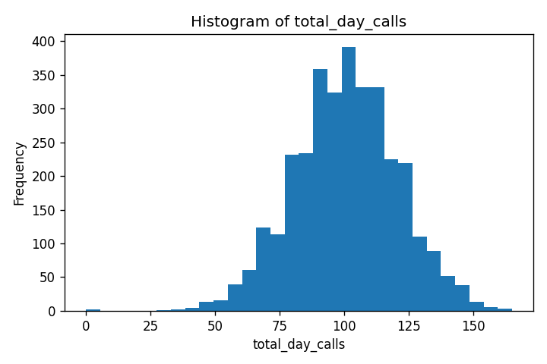
Column: total_day_calls
Value | Count
0 | 2
30 | 1
35 | 1
36 | 1
40 | 2
42 | 2
44 | 3
45 | 3
47 | 2
48 | 3
49 | 2
51 | 3
52 | 3
53 | 3
54 | 7
55 | 7
56 | 6
57 | 7
58 | 6
59 | 6
60 | 7
61 | 15
62 | 9
63 | 13
64 | 5
65 | 19
66 | 16
67 | 23
68 | 18
69 | 18
70 | 26
71 | 23
72 | 21
73 | 24
74 | 27
75 | 16
76 | 25
77 | 36
78 | 43
79 | 37
80 | 44
81 | 35
82 | 37
83 | 48
84 | 44
85 | 49
86 | 42
87 | 51
88 | 66
89 | 56
90 | 53
91 | 61
92 | 64
93 | 59
94 | 60
95 | 69
96 | 65
97 | 67
98 | 63
99 | 62
100 | 65
101 | 65
102 | 78
103 | 53
104 | 68
105 | 75
106 | 66
107 | 69
108 | 67
109 | 55
110 | 66
111 | 42
112 | 66
113 | 50
114 | 57
115 | 51
116 | 48
117 | 57
118 | 33
119 | 43
120 | 44
121 | 47
122 | 39
123 | 44
124 | 28
125 | 33
126 | 28
127 | 25
128 | 22
129 | 24
130 | 25
131 | 14
132 | 15
133 | 20
134 | 23
135 | 9
136 | 9
137 | 13
138 | 14
139 | 9
140 | 13
141 | 11
142 | 5
143 | 7
144 | 5
145 | 10
146 | 5
147 | 6
148 | 5
149 | 1
150 | 6
151 | 5
152 | 1
156 | 1
157 | 1
158 | 3
160 | 1
163 | 1
165 | 1

total_day_charge
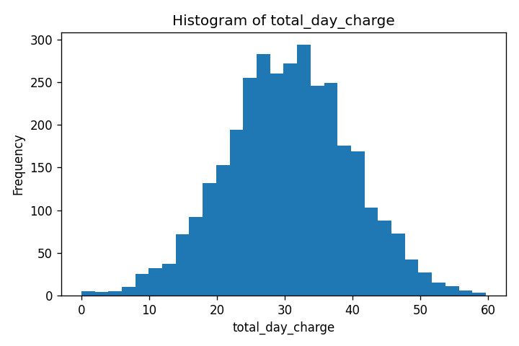
Column: total_day_charge
Value | Count
0.0 | 2
0.44 | 1
1.33 | 1
1.34 | 1
2.13 | 1
2.99 | 1
3.21 | 1
3.32 | 1
4.4 | 1
4.59 | 1
5.08 | 1
5.25 | 1
5.78 | 1
5.97 | 1
6.41 | 1
6.43 | 1
6.72 | 1
6.87 | 1
6.95 | 1
7.12 | 1
7.63 | 1
7.65 | 1
7.91 | 1
8.06 | 1
8.11 | 1
8.13 | 1
8.23 | 1
8.36 | 1
8.48 | 1
8.6 | 1
8.69 | 1
8.76 | 1
8.81 | 1
8.82 | 1
8.87 | 1
9.18 | 1
9.21 | 1
9.3 | 1
9.32 | 1
9.4 | 1
9.45 | 2
9.71 | 1
9.78 | 1
9.86 | 1
9.89 | 2
9.93 | 1
10.0 | 1
10.01 | 2
10.12 | 1
10.2 | 1
10.27 | 1
10.3 | 1
10.4 | 1
10.42 | 1
10.47 | 2
10.52 | 1
10.59 | 1
10.61 | 1
10.64 | 1
10.68 | 1
10.69 | 2
10.74 | 1
10.83 | 1
10.98 | 1
11.03 | 1
11.12 | 1
11.46 | 1
11.51 | 1
11.63 | 1
11.65 | 1
11.68 | 1
11.75 | 3
11.8 | 1
12.02 | 2
12.04 | 1
12.05 | 2
12.1 | 3
12.33 | 1
12.36 | 1
12.38 | 2
12.46 | 1
12.55 | 1
12.63 | 1
12.67 | 1
12.75 | 1
12.8 | 1
12.89 | 1
12.94 | 1
12.99 | 1
13.19 | 1
13.28 | 1
13.29 | 2
13.31 | 1
13.35 | 1
13.36 | 1
13.38 | 1
13.63 | 1
13.65 | 2
13.79 | 1
13.82 | 1
13.87 | 2
13.89 | 1
13.92 | 1
13.97 | 1
13.99 | 2
14.03 | 1
14.04 | 2
14.06 | 1
14.11 | 1
14.14 | 1
14.18 | 1
14.2 | 1
14.21 | 2
14.25 | 1
14.31 | 1
14.4 | 1
14.42 | 1
14.43 | 1
14.48 | 1
14.57 | 2
14.59 | 1
14.6 | 2
14.62 | 1
14.64 | 1
14.67 | 2
14.71 | 1
14.76 | 1
14.79 | 1
14.82 | 1
14.89 | 2
14.91 | 3
14.98 | 1
15.05 | 2
15.1 | 1
15.22 | 3
15.25 | 3
15.27 | 1
15.3 | 1
15.37 | 2
15.39 | 1
15.4 | 1
15.42 | 1
15.49 | 1
15.56 | 1
15.59 | 2
15.62 | 1
15.64 | 1
15.67 | 1
15.69 | 1
15.71 | 1
15.74 | 2
15.76 | 1
15.78 | 2
15.86 | 1
15.88 | 1
15.9 | 1
15.91 | 1
15.95 | 1
16.0 | 2
16.01 | 1
16.05 | 2
16.1 | 1
16.12 | 1
16.13 | 1
16.15 | 2
16.22 | 1
16.24 | 1
16.3 | 2
16.32 | 1
16.34 | 1
16.35 | 1
16.37 | 1
16.41 | 2
16.42 | 1
16.44 | 1
16.46 | 2
16.51 | 1
16.52 | 2
16.56 | 1
16.58 | 3
16.59 | 1
16.63 | 1
16.66 | 1
16.69 | 3
16.73 | 1
16.8 | 1
16.81 | 1
16.88 | 1
16.9 | 1
16.92 | 1
16.93 | 1
16.95 | 1
16.98 | 1
17.0 | 1
17.02 | 2
17.14 | 1
17.17 | 1
17.19 | 2
17.2 | 1
17.24 | 2
17.29 | 1
17.32 | 1
17.34 | 2
17.36 | 1
17.39 | 1
17.44 | 1
17.46 | 1
17.48 | 3
17.51 | 1
17.53 | 2
17.54 | 1
17.56 | 3
17.58 | 1
17.6 | 2
17.63 | 2
17.68 | 1
17.78 | 1
17.8 | 2
17.83 | 3
17.85 | 3
17.88 | 1
17.9 | 1
17.92 | 1
17.95 | 1
17.97 | 1
17.99 | 1
18.0 | 2
18.04 | 2
18.09 | 3
18.11 | 1
18.12 | 2
18.14 | 1
18.19 | 1
18.22 | 1
18.24 | 1
18.28 | 1
18.31 | 1
18.33 | 1
18.34 | 3
18.36 | 1
18.41 | 1
18.46 | 2
18.53 | 2
18.55 | 4
18.56 | 1
18.6 | 3
18.62 | 2
18.63 | 2
18.65 | 1
18.67 | 2
18.68 | 1
18.7 | 2
18.72 | 1
18.75 | 2
18.77 | 1
18.79 | 3
18.85 | 3
18.87 | 1
18.89 | 2
18.9 | 2
18.94 | 1
18.97 | 1
18.99 | 1
19.01 | 1
19.02 | 2
19.04 | 2
19.07 | 2
19.14 | 1
19.16 | 1
19.18 | 4
19.21 | 2
19.23 | 1
19.24 | 3
19.26 | 1
19.31 | 1
19.33 | 2
19.35 | 1
19.36 | 1
19.4 | 1
19.43 | 3
19.45 | 3
19.52 | 3
19.55 | 2
19.57 | 2
19.6 | 1
19.62 | 5
19.64 | 3
19.65 | 3
19.67 | 1
19.69 | 1
19.7 | 2
19.72 | 1
19.74 | 1
19.75 | 1
19.79 | 1
19.84 | 2
19.86 | 2
19.87 | 2
19.91 | 2
19.94 | 2
19.98 | 1
19.99 | 3
20.03 | 2
20.04 | 2
20.06 | 2
20.08 | 3
20.09 | 1
20.13 | 2
20.15 | 2
20.16 | 1
20.18 | 1
20.21 | 2
20.23 | 2
20.25 | 1
20.26 | 2
20.28 | 4
20.3 | 1
20.33 | 1
20.35 | 2
20.45 | 1
20.49 | 2
20.52 | 1
20.54 | 1
20.55 | 2
20.57 | 2
20.59 | 3
20.66 | 2
20.67 | 1
20.69 | 2
20.71 | 1
20.74 | 2
20.77 | 2
20.79 | 1
20.81 | 2
20.83 | 1
20.88 | 1
20.89 | 1
20.91 | 1
20.93 | 3
20.94 | 1
20.96 | 1
21.03 | 3
21.05 | 2
21.08 | 2
21.1 | 2
21.11 | 1
21.13 | 5
21.15 | 2
21.17 | 2
21.18 | 1
21.2 | 1
21.22 | 4
21.23 | 1
21.25 | 1
21.27 | 1
21.28 | 4
21.3 | 2
21.32 | 2
21.34 | 2
21.35 | 1
21.37 | 2
21.39 | 1
21.4 | 1
21.42 | 2
21.44 | 1
21.47 | 4
21.54 | 2
21.56 | 1
21.57 | 2
21.59 | 2
21.61 | 3
21.62 | 1
21.64 | 2
21.66 | 1
21.71 | 2
21.73 | 1
21.74 | 1
21.78 | 2
21.79 | 4
21.81 | 2
21.85 | 2
21.86 | 2
21.88 | 4
21.9 | 4
21.93 | 2
21.95 | 1
21.96 | 1
21.98 | 3
22.0 | 2
22.02 | 2
22.03 | 2
22.05 | 2
22.08 | 3
22.1 | 1
22.12 | 3
22.13 | 2
22.19 | 2
22.2 | 1
22.22 | 1
22.24 | 1
22.25 | 1
22.29 | 2
22.3 | 3
22.34 | 1
22.36 | 2
22.37 | 3
22.39 | 2
22.41 | 2
22.42 | 2
22.44 | 4
22.46 | 2
22.51 | 2
22.54 | 1
22.56 | 1
22.59 | 1
22.61 | 1
22.63 | 2
22.64 | 1
22.66 | 5
22.68 | 3
22.7 | 1
22.73 | 2
22.75 | 2
22.76 | 1
22.78 | 2
22.8 | 1
22.81 | 4
22.83 | 2
22.85 | 2
22.87 | 1
22.9 | 4
22.92 | 2
22.93 | 4
22.95 | 1
22.97 | 2
22.98 | 2
23.02 | 3
23.07 | 1
23.09 | 3
23.1 | 3
23.14 | 4
23.15 | 2
23.17 | 1
23.19 | 1
23.22 | 1
23.24 | 2
23.26 | 2
23.29 | 1
23.31 | 3
23.32 | 1
23.34 | 2
23.36 | 3
23.38 | 2
23.39 | 2
23.43 | 4
23.44 | 1
23.48 | 4
23.51 | 3
23.53 | 1
23.55 | 1
23.56 | 2
23.58 | 2
23.6 | 1
23.61 | 2
23.63 | 3
23.65 | 1
23.66 | 1
23.68 | 2
23.7 | 3
23.72 | 1
23.73 | 4
23.75 | 1
23.77 | 2
23.78 | 1
23.8 | 2
23.82 | 3
23.83 | 1
23.87 | 2
23.89 | 1
23.9 | 1
23.92 | 2
23.94 | 1
23.97 | 1
23.99 | 4
24.0 | 2
24.02 | 5
24.04 | 4
24.06 | 1
24.07 | 1
24.09 | 4
24.11 | 1
24.12 | 1
24.14 | 1
24.16 | 2
24.17 | 1
24.19 | 6
24.21 | 3
24.23 | 4
24.24 | 1
24.28 | 1
24.29 | 2
24.31 | 1
24.33 | 2
24.34 | 5
24.36 | 4
24.38 | 2
24.4 | 3
24.41 | 3
24.43 | 4
24.45 | 1
24.46 | 2
24.48 | 3
24.5 | 2
24.51 | 2
24.53 | 1
24.55 | 2
24.57 | 2
24.58 | 2
24.62 | 4
24.63 | 1
24.65 | 5
24.67 | 1
24.7 | 1
24.72 | 2
24.74 | 2
24.75 | 5
24.77 | 2
24.79 | 1
24.8 | 1
24.82 | 2
24.84 | 2
24.85 | 1
24.87 | 6
24.89 | 5
24.91 | 3
24.92 | 2
24.94 | 4
24.96 | 3
24.97 | 1
24.99 | 3
25.01 | 4
25.02 | 4
25.08 | 2
25.11 | 2
25.13 | 2
25.14 | 2
25.18 | 2
25.19 | 5
25.21 | 1
25.23 | 2
25.25 | 5
25.26 | 2
25.28 | 2
25.3 | 1
25.33 | 4
25.36 | 3
25.38 | 4
25.4 | 4
25.43 | 2
25.45 | 4
25.47 | 3
25.48 | 2
25.5 | 6
25.52 | 2
25.53 | 1
25.55 | 1
25.57 | 1
25.59 | 3
25.6 | 3
25.62 | 2
25.64 | 1
25.65 | 2
25.67 | 3
25.69 | 3
25.74 | 2
25.76 | 4
25.77 | 2
25.79 | 2
25.81 | 3
25.84 | 2
25.86 | 2
25.87 | 3
25.89 | 1
25.91 | 1
25.93 | 1
25.94 | 1
25.96 | 1
25.98 | 2
25.99 | 3
26.01 | 1
26.03 | 2
26.04 | 3
26.06 | 1
26.08 | 2
26.1 | 6
26.11 | 4
26.13 | 3
26.15 | 2
26.16 | 2
26.18 | 8
26.2 | 4
26.21 | 4
26.23 | 1
26.25 | 4
26.27 | 3
26.28 | 5
26.3 | 2
26.32 | 4
26.35 | 4
26.37 | 1
26.38 | 6
26.4 | 3
26.42 | 3
26.44 | 2
26.47 | 3
26.5 | 3
26.52 | 3
26.54 | 2
26.55 | 3
26.59 | 4
26.61 | 3
26.62 | 4
26.64 | 1
26.66 | 1
26.67 | 1
26.69 | 2
26.71 | 6
26.72 | 1
26.74 | 3
26.76 | 3
26.78 | 2
26.79 | 4
26.81 | 1
26.83 | 2
26.84 | 4
26.86 | 3
26.88 | 2
26.93 | 2
26.96 | 3
26.98 | 4
27.0 | 3
27.01 | 1
27.03 | 2
27.05 | 5
27.08 | 3
27.1 | 1
27.12 | 8
27.13 | 1
27.15 | 4
27.17 | 3
27.18 | 2
27.2 | 5
27.22 | 5
27.23 | 2
27.25 | 3
27.27 | 4
27.29 | 1
27.3 | 3
27.32 | 1
27.34 | 1
27.35 | 2
27.37 | 3
27.39 | 1
27.4 | 2
27.42 | 3
27.44 | 2
27.46 | 3
27.47 | 3
27.49 | 1
27.51 | 1
27.52 | 3
27.54 | 3
27.56 | 3
27.59 | 7
27.61 | 1
27.64 | 3
27.66 | 1
27.68 | 3
27.71 | 3
27.73 | 2
27.74 | 1
27.76 | 1
27.78 | 2
27.8 | 3
27.81 | 2
27.83 | 1
27.85 | 3
27.88 | 1
27.9 | 2
27.91 | 2
27.93 | 1
27.97 | 2
27.98 | 2
28.02 | 1
28.03 | 3
28.05 | 4
28.07 | 1
28.1 | 3
28.12 | 5
28.14 | 2
28.15 | 2
28.17 | 2
28.19 | 2
28.2 | 2
28.22 | 4
28.24 | 2
28.25 | 3
28.27 | 2
28.29 | 3
28.31 | 4
28.32 | 2
28.34 | 2
28.36 | 2
28.37 | 4
28.41 | 2
28.44 | 4
28.46 | 4
28.48 | 2
28.49 | 4
28.51 | 2
28.53 | 6
28.54 | 2
28.56 | 2
28.59 | 2
28.61 | 3
28.63 | 4
28.66 | 6
28.7 | 2
28.71 | 1
28.73 | 1
28.75 | 1
28.76 | 4
28.78 | 5
28.8 | 3
28.82 | 4
28.83 | 3
28.85 | 2
28.87 | 4
28.88 | 3
28.92 | 2
28.93 | 2
28.97 | 3
28.99 | 6
29.0 | 1
29.02 | 4
29.04 | 2
29.05 | 2
29.09 | 1
29.1 | 5
29.14 | 1
29.16 | 2
29.17 | 2
29.19 | 3
29.21 | 2
29.22 | 1
29.24 | 2
29.26 | 2
29.27 | 1
29.29 | 2
29.31 | 2
29.33 | 2
29.36 | 3
29.38 | 3
29.39 | 2
29.41 | 3
29.43 | 3
29.44 | 3
29.48 | 2
29.5 | 2
29.51 | 1
29.53 | 1
29.56 | 2
29.58 | 5
29.6 | 2
29.63 | 4
29.65 | 4
29.67 | 8
29.68 | 2
29.7 | 4
29.72 | 1
29.73 | 2
29.77 | 2
29.78 | 3
29.8 | 4
29.82 | 7
29.84 | 4
29.85 | 2
29.87 | 5
29.89 | 5
29.9 | 3
29.92 | 1
29.94 | 3
29.95 | 3
29.97 | 3
29.99 | 3
30.02 | 2
30.04 | 1
30.06 | 3
30.07 | 3
30.11 | 5
30.12 | 5
30.14 | 2
30.16 | 2
30.18 | 1
30.19 | 1
30.21 | 1
30.24 | 3
30.26 | 1
30.28 | 4
30.29 | 1
30.31 | 3
30.33 | 3
30.35 | 1
30.36 | 1
30.38 | 6
30.4 | 3
30.41 | 1
30.45 | 3
30.46 | 5
30.48 | 5
30.5 | 5
30.52 | 2
30.55 | 2
30.57 | 1
30.58 | 3
30.6 | 4
30.62 | 1
30.63 | 1
30.65 | 1
30.67 | 2
30.69 | 3
30.7 | 2
30.72 | 3
30.74 | 1
30.75 | 2
30.79 | 2
30.8 | 1
30.82 | 1
30.84 | 3
30.86 | 6
30.87 | 3
30.91 | 4
30.92 | 1
30.94 | 1
30.96 | 5
30.97 | 1
30.99 | 4
31.03 | 2
31.04 | 1
31.06 | 1
31.08 | 1
31.09 | 2
31.11 | 3
31.13 | 3
31.14 | 4
31.16 | 2
31.18 | 7
31.2 | 1
31.21 | 5
31.25 | 4
31.26 | 2
31.28 | 2
31.3 | 4
31.31 | 3
31.35 | 1
31.37 | 6
31.38 | 1
31.4 | 1
31.42 | 3
31.45 | 6
31.47 | 3
31.48 | 1
31.5 | 3
31.52 | 3
31.55 | 1
31.57 | 1
31.59 | 2
31.6 | 1
31.62 | 3
31.64 | 4
31.65 | 2
31.69 | 1
31.71 | 1
31.72 | 1
31.74 | 1
31.76 | 4
31.77 | 3
31.79 | 2
31.81 | 1
31.82 | 2
31.84 | 3
31.86 | 2
31.88 | 3
31.89 | 2
31.91 | 2
31.93 | 4
31.94 | 3
31.96 | 2
32.03 | 1
32.05 | 2
32.1 | 1
32.11 | 3
32.13 | 1
32.15 | 3
32.16 | 1
32.18 | 6
32.2 | 1
32.22 | 5
32.23 | 2
32.25 | 3
32.27 | 6
32.3 | 3
32.32 | 2
32.33 | 4
32.35 | 5
32.37 | 4
32.39 | 4
32.4 | 4
32.42 | 3
32.44 | 1
32.45 | 3
32.47 | 1
32.49 | 3
32.5 | 1
32.52 | 4
32.54 | 5
32.56 | 1
32.57 | 1
32.59 | 2
32.61 | 1
32.62 | 5
32.64 | 3
32.66 | 4
32.67 | 1
32.69 | 4
32.71 | 1
32.74 | 4
32.76 | 1
32.78 | 3
32.79 | 1
32.81 | 4
32.83 | 2
32.84 | 1
32.86 | 5
32.88 | 3
32.9 | 1
32.91 | 2
32.93 | 5
32.95 | 5
32.96 | 2
32.98 | 2
33.0 | 2
33.01 | 4
33.03 | 3
33.05 | 5
33.07 | 2
33.08 | 2
33.12 | 6
33.13 | 1
33.15 | 2
33.17 | 2
33.2 | 1
33.22 | 4
33.24 | 1
33.25 | 2
33.27 | 2
33.3 | 4
33.32 | 3
33.34 | 4
33.35 | 1
33.37 | 1
33.39 | 2
33.41 | 4
33.42 | 4
33.44 | 1
33.46 | 3
33.49 | 6
33.51 | 5
33.52 | 5
33.54 | 3
33.56 | 2
33.58 | 1
33.59 | 3
33.61 | 4
33.63 | 2
33.64 | 4
33.66 | 1
33.68 | 2
33.69 | 4
33.71 | 3
33.73 | 6
33.75 | 4
33.76 | 1
33.78 | 2
33.8 | 4
33.81 | 2
33.83 | 1
33.85 | 1
33.86 | 4
33.88 | 3
33.92 | 2
33.93 | 2
33.97 | 1
33.98 | 1
34.0 | 1
34.02 | 2
34.03 | 3
34.05 | 5
34.07 | 3
34.1 | 3
34.12 | 1
34.15 | 1
34.19 | 2
34.2 | 2
34.22 | 4
34.24 | 3
34.26 | 1
34.29 | 1
34.31 | 3
34.32 | 4
34.34 | 3
34.36 | 2
34.37 | 1
34.39 | 2
34.41 | 2
34.43 | 1
34.44 | 2
34.46 | 1
34.48 | 1
34.49 | 2
34.51 | 1
34.53 | 2
34.54 | 2
34.56 | 3
34.58 | 6
34.6 | 3
34.61 | 1
34.63 | 1
34.65 | 4
34.66 | 3
34.68 | 2
34.71 | 3
34.73 | 2
34.75 | 3
34.77 | 4
34.78 | 3
34.8 | 2
34.82 | 1
34.83 | 2
34.85 | 3
34.87 | 2
34.88 | 4
34.9 | 2
34.92 | 1
34.94 | 2
34.95 | 1
34.97 | 3
35.0 | 3
35.02 | 2
35.04 | 1
35.05 | 6
35.07 | 4
35.09 | 1
35.11 | 2
35.12 | 1
35.14 | 2
35.17 | 6
35.19 | 4
35.21 | 1
35.22 | 4
35.24 | 2
35.28 | 1
35.29 | 5
35.31 | 5
35.33 | 2
35.34 | 3
35.36 | 3
35.41 | 3
35.43 | 1
35.48 | 3
35.5 | 4
35.51 | 2
35.55 | 2
35.56 | 3
35.6 | 5
35.62 | 2
35.63 | 2
35.65 | 1
35.67 | 4
35.68 | 5
35.7 | 1
35.72 | 1
35.73 | 1
35.75 | 3
35.77 | 2
35.79 | 2
35.8 | 3
35.82 | 2
35.84 | 1
35.85 | 1
35.87 | 3
35.89 | 3
35.9 | 4
35.92 | 3
35.96 | 1
35.97 | 1
35.99 | 4
36.01 | 2
36.02 | 3
36.04 | 2
36.06 | 3
36.09 | 3
36.11 | 1
36.16 | 2
36.18 | 2
36.19 | 1
36.21 | 4
36.23 | 1
36.24 | 1
36.28 | 3
36.3 | 1
36.31 | 2
36.33 | 1
36.35 | 3
36.36 | 3
36.38 | 2
36.4 | 4
36.41 | 3
36.43 | 4
36.45 | 3
36.48 | 4
36.5 | 3
36.52 | 3
36.53 | 2
36.57 | 2
36.6 | 1
36.62 | 2
36.64 | 4
36.65 | 6
36.67 | 1
36.69 | 1
36.7 | 5
36.72 | 6
36.74 | 1
36.75 | 4
36.77 | 1
36.79 | 1
36.82 | 2
36.84 | 2
36.86 | 4
36.87 | 2
36.89 | 2
36.91 | 4
36.92 | 4
36.94 | 1
36.96 | 1
36.98 | 1
36.99 | 2
37.01 | 2
37.03 | 3
37.04 | 1
37.06 | 2
37.09 | 2
37.13 | 1
37.15 | 3
37.16 | 1
37.18 | 4
37.2 | 2
37.21 | 2
37.25 | 2
37.26 | 3
37.3 | 2
37.32 | 1
37.33 | 3
37.35 | 1
37.38 | 3
37.4 | 3
37.42 | 3
37.43 | 3
37.45 | 2
37.47 | 1
37.49 | 1
37.5 | 2
37.52 | 4
37.54 | 3
37.55 | 2
37.57 | 4
37.59 | 5
37.6 | 1
37.62 | 3
37.64 | 2
37.67 | 4
37.69 | 2
37.71 | 4
37.72 | 2
37.74 | 1
37.76 | 2
37.77 | 3
37.79 | 3
37.81 | 3
37.83 | 2
37.84 | 1
37.86 | 2
37.88 | 5
37.89 | 1
37.91 | 2
37.94 | 4
37.96 | 1
37.98 | 1
38.0 | 2
38.05 | 1
38.06 | 1
38.08 | 3
38.1 | 1
38.11 | 3
38.13 | 1
38.15 | 3
38.17 | 1
38.18 | 1
38.2 | 4
38.22 | 1
38.23 | 4
38.25 | 3
38.27 | 2
38.28 | 4
38.3 | 1
38.32 | 1
38.34 | 2
38.37 | 1
38.39 | 1
38.4 | 3
38.42 | 2
38.44 | 1
38.45 | 2
38.47 | 2
38.49 | 2
38.51 | 1
38.54 | 2
38.57 | 2
38.59 | 1
38.61 | 1
38.62 | 2
38.66 | 6
38.68 | 1
38.71 | 1
38.73 | 2
38.74 | 2
38.78 | 2
38.79 | 1
38.83 | 1
38.86 | 2
38.88 | 2
38.91 | 2
38.98 | 2
39.0 | 2
39.03 | 3
39.05 | 1
39.07 | 1
39.08 | 2
39.1 | 1
39.12 | 2
39.13 | 3
39.15 | 1
39.17 | 2
39.19 | 1
39.2 | 3
39.22 | 2
39.25 | 4
39.27 | 2
39.29 | 1
39.3 | 2
39.32 | 3
39.36 | 1
39.39 | 1
39.41 | 2
39.42 | 2
39.46 | 4
39.51 | 4
39.53 | 2
39.54 | 2
39.56 | 1
39.58 | 3
39.59 | 1
39.64 | 1
39.66 | 1
39.7 | 1
39.73 | 1
39.75 | 2
39.76 | 1
39.78 | 1
39.8 | 2
39.81 | 2
39.85 | 3
39.87 | 3
39.9 | 1
39.92 | 3
39.93 | 1
39.95 | 1
39.97 | 2
39.98 | 1
40.04 | 2
40.05 | 4
40.07 | 1
40.09 | 2
40.1 | 1
40.14 | 1
40.15 | 3
40.17 | 3
40.19 | 1
40.21 | 2
40.22 | 3
40.24 | 2
40.26 | 4
40.27 | 2
40.31 | 3
40.32 | 2
40.34 | 2
40.36 | 1
40.38 | 1
40.39 | 1
40.41 | 2
40.43 | 2
40.44 | 1
40.46 | 3
40.48 | 1
40.53 | 1
40.6 | 1
40.61 | 1
40.63 | 1
40.65 | 2
40.66 | 3
40.68 | 2
40.7 | 1
40.72 | 1
40.75 | 2
40.77 | 5
40.78 | 5
40.8 | 2
40.82 | 1
40.83 | 2
40.85 | 2
40.87 | 2
40.92 | 1
40.94 | 2
40.95 | 1
40.97 | 1
40.99 | 1
41.0 | 2
41.09 | 4
41.11 | 1
41.12 | 3
41.16 | 1
41.17 | 4
41.19 | 1
41.21 | 1
41.23 | 4
41.24 | 1
41.28 | 1
41.29 | 2
41.31 | 2
41.33 | 2
41.34 | 1
41.38 | 3
41.4 | 1
41.43 | 1
41.45 | 1
41.46 | 1
41.5 | 2
41.53 | 1
41.58 | 1
41.6 | 1
41.62 | 1
41.63 | 2
41.65 | 4
41.68 | 4
41.7 | 2
41.72 | 1
41.74 | 2
41.77 | 1
41.79 | 2
41.8 | 1
41.85 | 1
41.89 | 4
41.91 | 2
41.92 | 1
41.96 | 2
41.99 | 1
42.02 | 2
42.04 | 1
42.06 | 1
42.08 | 2
42.09 | 1
42.11 | 1
42.13 | 1
42.26 | 3
42.28 | 2
42.3 | 1
42.31 | 1
42.4 | 2
42.42 | 1
42.43 | 2
42.47 | 2
42.48 | 2
42.53 | 1
42.55 | 1
42.6 | 1
42.64 | 1
42.65 | 1
42.67 | 1
42.72 | 1
42.74 | 2
42.76 | 3
42.77 | 2
42.81 | 1
42.82 | 1
42.84 | 2
42.86 | 1
42.89 | 1
42.91 | 2
42.94 | 1
42.96 | 1
42.99 | 3
43.01 | 2
43.03 | 1
43.04 | 3
43.08 | 1
43.1 | 1
43.13 | 1
43.2 | 1
43.21 | 1
43.23 | 1
43.25 | 2
43.3 | 2
43.32 | 1
43.33 | 1
43.37 | 2
43.4 | 1
43.49 | 1
43.5 | 2
43.52 | 1
43.55 | 1
43.57 | 2
43.59 | 2
43.61 | 2
43.64 | 1
43.66 | 1
43.71 | 1
43.72 | 1
43.74 | 1
43.76 | 1
43.81 | 1
43.84 | 1
43.86 | 1
43.88 | 1
43.93 | 1
43.96 | 1
44.0 | 1
44.08 | 1
44.1 | 2
44.15 | 1
44.17 | 1
44.18 | 2
44.2 | 1
44.22 | 1
44.23 | 1
44.27 | 2
44.29 | 1
44.34 | 3
44.35 | 1
44.4 | 2
44.42 | 1
44.44 | 2
44.49 | 2
44.51 | 2
44.52 | 1
44.57 | 2
44.59 | 1
44.61 | 1
44.68 | 1
44.69 | 1
44.73 | 1
44.78 | 4
44.83 | 1
44.85 | 2
44.88 | 1
44.93 | 2
44.95 | 1
44.97 | 1
45.0 | 2
45.02 | 1
45.03 | 1
45.07 | 1
45.08 | 1
45.1 | 1
45.15 | 2
45.2 | 1
45.22 | 2
45.24 | 2
45.27 | 1
45.32 | 1
45.34 | 2
45.37 | 1
45.41 | 1
45.46 | 1
45.53 | 1
45.54 | 2
45.56 | 1
45.58 | 1
45.61 | 1
45.63 | 3
45.66 | 1
45.68 | 1
45.7 | 1
45.73 | 1
45.76 | 1
45.83 | 1
45.85 | 1
45.87 | 1
45.9 | 1
45.95 | 1
45.97 | 1
45.99 | 1
46.02 | 1
46.04 | 1
46.05 | 1
46.09 | 3
46.1 | 1
46.14 | 1
46.16 | 2
46.17 | 2
46.19 | 1
46.21 | 1
46.26 | 1
46.31 | 1
46.33 | 2
46.34 | 1
46.36 | 2
46.41 | 1
46.44 | 1
46.46 | 1
46.48 | 1
46.5 | 1
46.51 | 1
46.55 | 2
46.56 | 1
46.58 | 1
46.63 | 1
46.65 | 1
46.68 | 1
46.7 | 1
46.73 | 1
46.78 | 1
46.82 | 1
46.89 | 1
46.94 | 1
46.95 | 1
47.01 | 1
47.02 | 1
47.04 | 1
47.07 | 1
47.09 | 1
47.14 | 1
47.18 | 1
47.24 | 1
47.26 | 3
47.31 | 1
47.33 | 1
47.35 | 1
47.41 | 1
47.45 | 1
47.48 | 1
47.52 | 1
47.57 | 1
47.58 | 1
47.6 | 1
47.63 | 1
47.67 | 1
47.77 | 1
47.79 | 2
47.8 | 1
47.82 | 1
47.84 | 1
47.99 | 1
48.03 | 1
48.13 | 2
48.14 | 2
48.18 | 1
48.26 | 1
48.35 | 1
48.57 | 2
48.65 | 1
48.69 | 2
48.72 | 2
48.74 | 1
48.81 | 2
48.84 | 1
48.86 | 2
48.96 | 1
48.98 | 2
49.05 | 1
49.08 | 1
49.1 | 1
49.15 | 1
49.22 | 1
49.27 | 1
49.37 | 1
49.49 | 1
49.5 | 1
49.57 | 1
49.61 | 1
49.79 | 1
49.81 | 1
49.86 | 1
49.93 | 1
50.01 | 1
50.1 | 1
50.13 | 2
50.15 | 1
50.2 | 1
50.22 | 1
50.32 | 1
50.39 | 1
50.64 | 1
50.68 | 1
50.73 | 1
50.9 | 1
50.92 | 2
51.05 | 1
51.07 | 1
51.26 | 1
51.29 | 1
51.46 | 1
51.54 | 1
51.66 | 2
51.87 | 1
51.88 | 1
52.05 | 1
52.21 | 1
52.36 | 1
52.46 | 1
52.68 | 1
52.77 | 1
53.04 | 2
53.24 | 1
53.35 | 1
53.4 | 1
53.48 | 1
53.65 | 1
54.03 | 1
54.59 | 1
54.62 | 1
54.67 | 1
54.79 | 2
54.81 | 1
54.83 | 1
55.2 | 1
55.47 | 1
55.51 | 1
55.78 | 1
56.07 | 1
56.59 | 1
56.83 | 1
57.04 | 1
57.36 | 1
58.7 | 1
58.96 | 1
59.64 | 1

total_eve_minutes
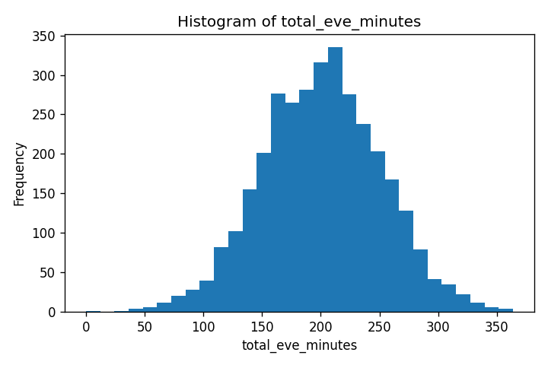
Column: total_eve_minutes
Value | Count
0.0 | 1
31.2 | 1
42.2 | 1
42.5 | 1
43.9 | 1
48.1 | 1
49.2 | 1
52.9 | 1
56.0 | 1
58.6 | 1
58.9 | 1
60.0 | 1
60.8 | 1
61.9 | 1
64.3 | 1
65.2 | 1
66.0 | 1
66.5 | 1
67.0 | 1
67.5 | 1
69.2 | 1
70.9 | 1
71.0 | 1
72.9 | 1
73.2 | 1
74.6 | 1
75.3 | 1
75.9 | 1
76.4 | 1
77.1 | 1
77.9 | 1
78.3 | 1
78.9 | 1
79.3 | 1
80.0 | 1
80.6 | 2
80.8 | 1
81.0 | 1
81.9 | 1
82.2 | 1
83.4 | 1
83.9 | 1
85.0 | 1
86.8 | 1
87.6 | 1
87.8 | 1
88.1 | 1
88.3 | 1
88.6 | 1
88.7 | 1
89.1 | 1
89.3 | 1
89.7 | 1
89.8 | 2
90.0 | 1
90.2 | 1
90.5 | 1
90.7 | 1
91.2 | 1
91.7 | 1
92.0 | 1
92.3 | 1
93.4 | 2
93.7 | 1
94.4 | 1
95.1 | 1
95.6 | 1
96.6 | 1
97.6 | 1
97.7 | 1
98.3 | 2
99.1 | 1
99.5 | 1
101.3 | 2
101.5 | 1
102.2 | 2
102.4 | 1
102.6 | 1
102.8 | 2
103.0 | 1
103.1 | 1
103.2 | 1
103.3 | 1
103.4 | 1
103.6 | 1
103.8 | 1
104.9 | 1
105.5 | 1
105.6 | 1
105.7 | 1
105.8 | 1
106.1 | 1
106.2 | 2
106.5 | 1
106.8 | 1
107.1 | 1
107.9 | 2
108.1 | 2
108.2 | 1
108.5 | 1
109.6 | 3
109.7 | 1
109.9 | 1
110.1 | 1
110.2 | 1
110.4 | 1
110.8 | 1
111.3 | 1
111.6 | 1
112.3 | 1
112.5 | 1
112.7 | 1
112.9 | 1
113.0 | 1
113.2 | 1
113.3 | 2
113.4 | 1
114.0 | 1
114.3 | 1
114.4 | 1
114.5 | 1
114.6 | 1
114.7 | 2
114.8 | 1
115.0 | 1
115.2 | 2
115.5 | 1
115.6 | 2
115.7 | 2
115.9 | 2
116.5 | 2
116.6 | 2
116.9 | 1
117.0 | 1
117.6 | 1
117.8 | 1
117.9 | 3
118.0 | 1
118.2 | 1
118.5 | 1
118.6 | 1
118.7 | 3
118.8 | 2
118.9 | 2
119.0 | 2
119.3 | 2
119.6 | 2
119.7 | 1
119.9 | 1
120.0 | 1
120.1 | 1
120.3 | 1
120.4 | 2
120.5 | 2
120.6 | 1
120.7 | 2
120.9 | 1
121.0 | 2
121.2 | 1
121.6 | 1
121.8 | 1
121.9 | 1
122.1 | 1
122.2 | 1
122.3 | 1
122.8 | 1
122.9 | 1
123.0 | 1
123.1 | 1
123.3 | 1
123.4 | 3
123.5 | 4
123.6 | 1
123.9 | 4
124.0 | 1
124.2 | 1
124.4 | 1
124.7 | 1
125.6 | 1
125.8 | 1
125.9 | 1
126.0 | 1
126.2 | 1
126.4 | 1
126.5 | 1
126.8 | 2
126.9 | 2
127.0 | 1
127.3 | 1
127.4 | 1
127.5 | 2
127.6 | 2
127.7 | 1
127.8 | 3
128.0 | 1
128.3 | 1
128.7 | 1
128.9 | 2
129.1 | 3
129.2 | 2
129.3 | 2
129.4 | 4
129.5 | 1
129.8 | 1
130.0 | 1
130.1 | 2
130.2 | 1
130.4 | 2
130.7 | 2
131.0 | 2
131.1 | 2
131.2 | 2
131.4 | 1
131.7 | 2
131.8 | 3
132.2 | 1
132.3 | 3
132.4 | 1
132.5 | 1
132.8 | 2
132.9 | 2
133.0 | 2
133.1 | 1
133.2 | 2
133.4 | 3
133.9 | 2
134.0 | 1
134.1 | 2
134.2 | 2
134.3 | 1
134.4 | 1
134.5 | 2
134.6 | 1
134.7 | 1
134.9 | 4
135.0 | 1
135.2 | 3
135.4 | 1
135.8 | 2
135.9 | 1
136.0 | 2
136.1 | 3
136.2 | 1
136.3 | 1
136.4 | 2
136.7 | 3
136.8 | 1
136.9 | 1
137.0 | 1
137.2 | 1
137.3 | 2
137.5 | 1
137.6 | 2
137.8 | 2
137.9 | 1
138.0 | 2
138.1 | 1
138.2 | 1
138.3 | 2
138.5 | 3
138.6 | 1
138.7 | 2
138.9 | 4
139.1 | 3
139.2 | 1
139.5 | 2
139.6 | 1
139.8 | 1
140.0 | 1
140.2 | 3
140.3 | 2
140.4 | 1
140.7 | 1
140.9 | 4
141.0 | 1
141.1 | 3
141.2 | 3
141.4 | 3
141.5 | 1
141.6 | 2
141.8 | 3
141.9 | 2
142.0 | 3
142.1 | 1
142.3 | 3
142.4 | 1
142.6 | 3
142.7 | 2
143.0 | 1
143.1 | 2
143.3 | 1
143.4 | 4
143.5 | 2
143.7 | 3
143.8 | 4
143.9 | 1
144.1 | 2
144.2 | 1
144.3 | 4
144.4 | 1
144.5 | 2
145.0 | 3
145.1 | 2
145.2 | 1
145.3 | 1
145.4 | 1
145.5 | 1
145.7 | 1
145.8 | 1
145.9 | 1
146.0 | 2
146.2 | 1
146.3 | 1
146.4 | 2
146.5 | 2
146.6 | 1
146.7 | 1
146.8 | 1
146.9 | 3
147.0 | 1
147.2 | 1
147.3 | 1
147.4 | 3
147.6 | 2
147.7 | 2
147.8 | 1
147.9 | 3
148.0 | 1
148.1 | 1
148.2 | 1
148.3 | 4
148.5 | 2
148.6 | 1
148.7 | 1
148.8 | 1
148.9 | 1
149.1 | 2
149.2 | 1
149.3 | 1
149.4 | 1
149.5 | 2
149.6 | 1
149.7 | 2
149.8 | 2
149.9 | 2
150.0 | 3
150.1 | 3
150.2 | 1
150.3 | 1
150.5 | 1
150.6 | 3
150.7 | 1
150.8 | 1
150.9 | 1
151.0 | 1
151.2 | 1
151.3 | 3
151.4 | 1
151.5 | 2
151.7 | 2
151.9 | 2
152.0 | 2
152.1 | 2
152.2 | 1
152.3 | 3
152.4 | 3
152.5 | 4
152.6 | 1
152.7 | 3
152.8 | 3
152.9 | 3
153.0 | 1
153.1 | 5
153.2 | 2
153.3 | 3
153.4 | 1
153.6 | 3
153.7 | 2
153.8 | 2
154.0 | 3
154.2 | 1
154.3 | 1
154.4 | 1
154.5 | 3
154.6 | 2
154.7 | 2
154.8 | 2
154.9 | 3
155.0 | 5
155.1 | 2
155.2 | 2
155.3 | 2
155.4 | 3
155.5 | 2
155.6 | 4
155.7 | 2
155.8 | 2
155.9 | 1
156.0 | 4
156.1 | 1
156.2 | 1
156.3 | 3
156.4 | 1
156.5 | 1
156.7 | 2
156.9 | 1
157.0 | 2
157.1 | 2
157.2 | 1
157.3 | 3
157.5 | 2
157.6 | 4
157.8 | 1
158.0 | 3
158.1 | 2
158.2 | 3
158.4 | 1
158.5 | 1
158.6 | 3
158.8 | 2
158.9 | 1
159.0 | 2
159.1 | 2
159.2 | 1
159.3 | 2
159.4 | 2
159.5 | 3
159.6 | 4
159.7 | 2
159.9 | 1
160.0 | 1
160.1 | 3
160.2 | 1
160.3 | 1
160.4 | 1
160.5 | 3
160.6 | 4
160.7 | 4
160.8 | 1
160.9 | 3
161.0 | 2
161.1 | 1
161.3 | 1
161.4 | 3
161.5 | 3
161.7 | 7
161.8 | 4
161.9 | 5
162.0 | 2
162.1 | 2
162.3 | 4
162.4 | 1
162.5 | 5
162.6 | 4
162.7 | 1
162.8 | 1
162.9 | 2
163.0 | 3
163.1 | 3
163.2 | 4
163.3 | 2
163.4 | 3
163.5 | 1
163.6 | 2
163.7 | 4
163.9 | 2
164.0 | 1
164.1 | 2
164.2 | 2
164.3 | 1
164.4 | 2
164.5 | 6
164.6 | 2
164.7 | 2
164.8 | 1
164.9 | 2
165.0 | 1
165.1 | 4
165.2 | 1
165.3 | 3
165.4 | 3
165.6 | 1
165.7 | 3
165.8 | 5
165.9 | 5
166.0 | 1
166.2 | 1
166.4 | 2
166.5 | 1
166.6 | 3
166.7 | 2
166.8 | 1
166.9 | 1
167.0 | 3
167.1 | 4
167.2 | 7
167.3 | 4
167.4 | 3
167.5 | 2
167.6 | 6
167.7 | 5
167.8 | 5
167.9 | 6
168.0 | 3
168.1 | 1
168.2 | 2
168.3 | 3
168.4 | 1
168.5 | 4
168.6 | 4
168.7 | 2
168.8 | 4
169.0 | 3
169.1 | 2
169.2 | 2
169.3 | 2
169.4 | 2
169.5 | 4
169.6 | 1
169.7 | 2
169.8 | 4
169.9 | 9
170.0 | 4
170.2 | 2
170.4 | 2
170.5 | 4
170.6 | 3
170.7 | 2
170.8 | 1
170.9 | 3
171.0 | 1
171.2 | 1
171.3 | 2
171.4 | 2
171.5 | 2
171.6 | 1
171.7 | 4
171.8 | 2
171.9 | 2
172.0 | 3
172.1 | 2
172.2 | 2
172.3 | 2
172.4 | 2
172.6 | 1
172.7 | 3
172.8 | 2
173.0 | 2
173.1 | 2
173.2 | 1
173.3 | 4
173.4 | 3
173.5 | 2
173.6 | 1
173.7 | 6
173.8 | 1
174.0 | 1
174.3 | 1
174.4 | 2
174.5 | 2
174.6 | 2
174.8 | 3
174.9 | 4
175.0 | 1
175.1 | 4
175.2 | 5
175.3 | 1
175.4 | 1
175.6 | 1
175.7 | 1
175.8 | 3
175.9 | 6
176.0 | 4
176.1 | 2
176.2 | 3
176.3 | 2
176.4 | 1
176.5 | 2
176.6 | 5
176.7 | 4
176.9 | 1
177.0 | 4
177.1 | 1
177.2 | 2
177.3 | 1
177.4 | 1
177.5 | 2
177.6 | 2
177.8 | 6
177.9 | 2
178.0 | 1
178.2 | 4
178.3 | 1
178.4 | 4
178.5 | 2
178.6 | 6
178.7 | 2
178.8 | 1
178.9 | 4
179.0 | 1
179.1 | 2
179.2 | 2
179.3 | 6
179.4 | 1
179.5 | 3
179.6 | 2
179.7 | 1
179.8 | 1
179.9 | 4
180.0 | 5
180.2 | 5
180.3 | 1
180.4 | 3
180.5 | 7
180.6 | 3
180.7 | 1
180.8 | 3
181.0 | 1
181.1 | 1
181.2 | 2
181.4 | 1
181.5 | 2
181.6 | 6
181.7 | 1
181.8 | 2
182.0 | 5
182.1 | 1
182.2 | 3
182.4 | 3
182.5 | 2
182.6 | 1
182.7 | 1
182.9 | 3
183.0 | 3
183.1 | 2
183.2 | 3
183.3 | 1
183.4 | 3
183.5 | 2
183.6 | 4
183.7 | 1
183.8 | 1
183.9 | 1
184.0 | 3
184.1 | 2
184.2 | 2
184.3 | 2
184.4 | 1
184.5 | 2
184.6 | 2
184.7 | 1
184.8 | 2
184.9 | 3
185.0 | 2
185.1 | 1
185.3 | 2
185.4 | 3
185.5 | 6
185.6 | 1
185.7 | 4
185.8 | 2
185.9 | 1
186.0 | 4
186.2 | 1
186.3 | 1
186.4 | 6
186.5 | 1
186.6 | 3
186.7 | 3
186.8 | 2
186.9 | 2
187.0 | 6
187.1 | 4
187.2 | 4
187.3 | 2
187.4 | 4
187.5 | 4
187.6 | 1
187.7 | 3
187.8 | 5
187.9 | 1
188.0 | 4
188.2 | 4
188.3 | 1
188.4 | 2
188.5 | 5
188.6 | 2
188.7 | 1
188.8 | 6
188.9 | 2
189.0 | 2
189.1 | 1
189.2 | 1
189.3 | 3
189.4 | 3
189.5 | 1
189.6 | 6
189.7 | 5
189.8 | 3
189.9 | 1
190.0 | 5
190.2 | 2
190.3 | 3
190.4 | 4
190.6 | 2
190.7 | 2
190.8 | 4
190.9 | 3
191.0 | 2
191.1 | 2
191.3 | 1
191.4 | 2
191.6 | 1
191.7 | 1
191.8 | 2
191.9 | 2
192.0 | 3
192.1 | 2
192.2 | 3
192.3 | 3
192.4 | 5
192.6 | 2
192.7 | 1
192.8 | 3
192.9 | 2
193.0 | 5
193.1 | 2
193.2 | 1
193.3 | 2
193.4 | 3
193.5 | 1
193.6 | 4
193.7 | 2
193.8 | 5
193.9 | 2
194.0 | 6
194.1 | 2
194.4 | 3
194.5 | 4
194.6 | 4
194.7 | 1
194.8 | 4
194.9 | 2
195.0 | 1
195.1 | 2
195.2 | 2
195.3 | 4
195.4 | 1
195.5 | 7
195.6 | 2
195.7 | 6
195.8 | 3
195.9 | 3
196.0 | 4
196.1 | 1
196.2 | 2
196.3 | 3
196.4 | 2
196.5 | 2
196.6 | 3
196.7 | 4
196.8 | 4
196.9 | 1
197.0 | 3
197.1 | 2
197.2 | 1
197.3 | 3
197.4 | 5
197.5 | 5
197.6 | 4
197.7 | 3
197.8 | 1
197.9 | 1
198.0 | 1
198.1 | 2
198.2 | 2
198.3 | 1
198.4 | 3
198.5 | 5
198.6 | 3
198.7 | 1
198.8 | 2
198.9 | 3
199.0 | 1
199.2 | 5
199.4 | 2
199.5 | 2
199.6 | 2
199.7 | 6
199.8 | 1
199.9 | 4
200.0 | 1
200.1 | 2
200.2 | 4
200.3 | 3
200.5 | 2
200.6 | 4
200.7 | 4
200.8 | 2
200.9 | 3
201.0 | 7
201.1 | 2
201.2 | 1
201.3 | 2
201.4 | 4
201.5 | 2
201.6 | 2
201.8 | 2
202.1 | 1
202.2 | 2
202.3 | 3
202.4 | 4
202.5 | 2
202.6 | 6
202.7 | 1
202.8 | 4
202.9 | 3
203.0 | 2
203.1 | 1
203.2 | 3
203.4 | 4
203.5 | 1
203.6 | 1
203.7 | 5
203.8 | 6
203.9 | 5
204.0 | 3
204.1 | 3
204.2 | 4
204.3 | 1
204.5 | 3
204.6 | 3
204.7 | 2
204.8 | 2
204.9 | 3
205.0 | 2
205.1 | 6
205.2 | 4
205.3 | 2
205.4 | 2
205.5 | 4
205.6 | 3
205.7 | 3
205.9 | 4
206.0 | 4
206.2 | 3
206.3 | 1
206.4 | 3
206.5 | 2
206.6 | 1
206.7 | 2
206.8 | 1
206.9 | 4
207.0 | 5
207.1 | 2
207.2 | 2
207.3 | 2
207.4 | 1
207.5 | 4
207.6 | 4
207.7 | 2
207.8 | 1
207.9 | 3
208.0 | 5
208.1 | 1
208.2 | 4
208.3 | 3
208.4 | 3
208.5 | 2
208.6 | 3
208.7 | 3
208.8 | 2
208.9 | 5
209.0 | 2
209.1 | 5
209.2 | 2
209.3 | 3
209.4 | 7
209.5 | 4
209.6 | 4
209.7 | 1
209.8 | 4
209.9 | 4
210.0 | 2
210.1 | 3
210.2 | 3
210.3 | 1
210.4 | 3
210.5 | 4
210.6 | 4
210.7 | 2
210.8 | 4
210.9 | 2
211.0 | 4
211.1 | 3
211.2 | 4
211.3 | 5
211.4 | 2
211.5 | 6
211.6 | 3
211.7 | 6
211.8 | 4
211.9 | 2
212.0 | 3
212.1 | 2
212.2 | 3
212.3 | 2
212.5 | 4
212.7 | 1
212.8 | 4
212.9 | 1
213.0 | 3
213.1 | 3
213.2 | 2
213.3 | 2
213.4 | 5
213.6 | 3
213.7 | 5
213.8 | 3
213.9 | 5
214.0 | 1
214.1 | 3
214.2 | 4
214.3 | 2
214.4 | 2
214.5 | 3
214.6 | 1
214.7 | 2
214.8 | 6
215.0 | 1
215.1 | 4
215.2 | 1
215.3 | 2
215.4 | 2
215.5 | 3
215.6 | 5
215.7 | 2
215.8 | 3
215.9 | 2
216.0 | 1
216.1 | 2
216.2 | 3
216.3 | 4
216.4 | 2
216.5 | 6
216.6 | 3
216.7 | 3
216.8 | 2
216.9 | 5
217.0 | 4
217.1 | 2
217.2 | 4
217.3 | 1
217.4 | 3
217.5 | 3
217.6 | 1
217.7 | 3
217.9 | 2
218.1 | 3
218.2 | 1
218.4 | 1
218.5 | 2
218.6 | 1
218.7 | 2
218.8 | 2
218.9 | 2
219.0 | 3
219.1 | 6
219.2 | 2
219.3 | 2
219.4 | 3
219.5 | 2
219.6 | 4
219.7 | 3
219.8 | 1
219.9 | 2
220.0 | 2
220.1 | 4
220.2 | 3
220.3 | 1
220.4 | 4
220.5 | 2
220.6 | 7
220.7 | 1
220.8 | 2
220.9 | 5
221.0 | 3
221.1 | 5
221.2 | 3
221.3 | 2
221.4 | 2
221.5 | 3
221.6 | 2
221.8 | 2
221.9 | 1
222.0 | 4
222.1 | 3
222.2 | 3
222.3 | 2
222.4 | 1
222.5 | 1
222.6 | 1
222.7 | 1
222.8 | 1
222.9 | 1
223.0 | 5
223.1 | 3
223.2 | 4
223.3 | 2
223.4 | 2
223.5 | 5
223.6 | 3
223.7 | 2
223.8 | 1
223.9 | 2
224.0 | 1
224.1 | 4
224.2 | 5
224.3 | 1
224.4 | 2
224.5 | 1
224.6 | 3
224.7 | 6
224.8 | 1
224.9 | 6
225.0 | 2
225.1 | 5
225.2 | 3
225.3 | 2
225.4 | 1
225.5 | 2
225.6 | 1
225.7 | 2
225.8 | 2
225.9 | 5
226.1 | 4
226.2 | 3
226.4 | 1
226.6 | 3
226.7 | 5
226.8 | 1
227.0 | 2
227.1 | 2
227.2 | 3
227.3 | 2
227.4 | 2
227.8 | 3
227.9 | 1
228.0 | 1
228.1 | 4
228.3 | 2
228.4 | 5
228.5 | 1
228.6 | 3
228.7 | 1
228.8 | 2
228.9 | 2
229.0 | 2
229.2 | 1
229.4 | 3
229.6 | 1
229.7 | 4
229.9 | 1
230.0 | 6
230.1 | 5
230.2 | 2
230.3 | 3
230.4 | 4
230.5 | 3
230.6 | 1
230.7 | 2
230.9 | 7
231.0 | 1
231.1 | 1
231.2 | 1
231.3 | 1
231.4 | 3
231.5 | 2
231.6 | 1
231.7 | 3
231.8 | 4
231.9 | 1
232.1 | 3
232.2 | 2
232.3 | 3
232.4 | 3
232.5 | 3
232.6 | 1
232.7 | 2
232.8 | 1
232.9 | 4
233.0 | 2
233.2 | 4
233.3 | 1
233.4 | 1
233.5 | 4
233.6 | 1
233.7 | 5
233.8 | 2
233.9 | 2
234.0 | 3
234.1 | 3
234.2 | 1
234.3 | 1
234.4 | 1
234.5 | 1
234.7 | 2
234.9 | 2
235.0 | 2
235.1 | 3
235.2 | 1
235.3 | 4
235.4 | 1
235.5 | 3
235.6 | 1
235.8 | 3
235.9 | 3
236.0 | 4
236.1 | 2
236.2 | 3
236.3 | 2
236.4 | 2
236.5 | 1
236.6 | 2
236.7 | 5
236.8 | 4
237.0 | 2
237.1 | 1
237.2 | 1
237.3 | 2
237.4 | 3
237.6 | 3
237.7 | 2
237.9 | 1
238.0 | 1
238.1 | 2
238.2 | 2
238.3 | 3
238.5 | 1
238.6 | 1
238.7 | 2
238.8 | 2
239.1 | 1
239.3 | 3
239.5 | 1
239.6 | 3
239.7 | 3
239.8 | 2
240.0 | 1
240.1 | 4
240.2 | 2
240.3 | 2
240.4 | 1
240.5 | 4
240.6 | 2
240.7 | 5
240.8 | 2
240.9 | 1
241.0 | 1
241.1 | 2
241.2 | 1
241.3 | 2
241.4 | 5
241.5 | 1
241.6 | 3
241.8 | 2
241.9 | 3
242.0 | 3
242.1 | 2
242.2 | 3
242.3 | 3
242.4 | 2
242.5 | 1
242.6 | 1
242.7 | 1
242.8 | 4
242.9 | 1
243.0 | 2
243.1 | 1
243.2 | 5
243.3 | 2
243.5 | 2
243.7 | 1
243.8 | 1
243.9 | 1
244.0 | 3
244.1 | 1
244.2 | 1
244.3 | 1
244.4 | 2
244.5 | 2
244.7 | 3
244.8 | 1
244.9 | 2
245.0 | 2
245.1 | 1
245.2 | 1
245.3 | 1
245.4 | 2
245.6 | 2
245.8 | 1
245.9 | 1
246.0 | 2
246.1 | 2
246.2 | 1
246.3 | 2
246.4 | 1
246.5 | 6
246.6 | 3
246.7 | 2
246.8 | 2
246.9 | 2
247.0 | 2
247.1 | 1
247.2 | 2
247.3 | 1
247.5 | 2
247.6 | 3
247.7 | 3
247.8 | 3
247.9 | 1
248.0 | 1
248.1 | 2
248.2 | 1
248.4 | 1
248.5 | 3
248.6 | 2
248.7 | 4
248.8 | 1
248.9 | 3
249.0 | 2
249.1 | 2
249.2 | 1
249.3 | 4
249.4 | 2
249.5 | 4
249.6 | 2
249.7 | 2
249.8 | 4
249.9 | 2
250.0 | 2
250.2 | 2
250.3 | 1
250.4 | 1
250.5 | 2
250.7 | 4
250.8 | 1
251.0 | 1
251.1 | 1
251.2 | 1
251.3 | 2
251.5 | 1
251.6 | 3
251.7 | 2
251.8 | 2
252.0 | 1
252.2 | 3
252.3 | 1
252.4 | 3
252.5 | 1
252.7 | 3
252.8 | 1
253.0 | 3
253.1 | 1
253.2 | 2
253.4 | 5
253.5 | 1
253.6 | 5
253.8 | 3
253.9 | 1
254.0 | 1
254.1 | 3
254.2 | 1
254.3 | 2
254.5 | 2
254.7 | 1
254.9 | 2
255.1 | 2
255.3 | 1
255.5 | 1
255.6 | 2
255.7 | 1
255.8 | 1
255.9 | 3
256.0 | 1
256.1 | 5
256.2 | 1
256.3 | 2
256.4 | 2
256.5 | 1
256.6 | 5
256.7 | 2
256.8 | 4
256.9 | 2
257.1 | 1
257.2 | 4
257.4 | 3
257.5 | 3
257.7 | 2
257.9 | 1
258.0 | 1
258.1 | 2
258.2 | 2
258.4 | 2
258.6 | 1
258.7 | 1
258.8 | 2
258.9 | 1
259.0 | 1
259.2 | 2
259.3 | 2
259.4 | 2
259.6 | 2
259.7 | 2
259.8 | 1
259.9 | 2
260.0 | 1
260.1 | 2
260.2 | 2
260.3 | 1
260.4 | 1
260.5 | 2
260.6 | 2
260.7 | 2
260.9 | 1
261.0 | 2
261.1 | 1
261.3 | 1
261.5 | 4
261.6 | 2
261.7 | 1
261.9 | 1
262.0 | 4
262.1 | 2
262.2 | 2
262.3 | 3
262.4 | 2
262.6 | 2
262.8 | 2
263.0 | 2
263.2 | 1
263.3 | 3
263.4 | 1
263.5 | 3
263.6 | 1
263.7 | 1
264.0 | 1
264.1 | 3
264.2 | 2
264.3 | 1
264.4 | 2
264.5 | 1
264.6 | 1
264.7 | 3
264.8 | 2
264.9 | 1
265.0 | 1
265.1 | 1
265.3 | 1
265.5 | 2
265.7 | 2
265.8 | 3
265.9 | 1
266.2 | 1
266.3 | 1
266.4 | 1
266.5 | 2
266.6 | 1
266.9 | 3
267.0 | 1
267.1 | 4
267.3 | 1
267.4 | 1
267.5 | 2
267.6 | 1
267.8 | 4
268.1 | 2
268.2 | 2
268.3 | 2
268.5 | 3
268.6 | 2
268.8 | 1
269.1 | 2
269.3 | 1
269.4 | 1
269.5 | 1
269.7 | 1
269.8 | 3
269.9 | 1
270.2 | 2
270.4 | 3
270.5 | 2
270.6 | 2
270.7 | 1
270.8 | 2
270.9 | 1
271.0 | 2
271.2 | 2
271.4 | 1
271.5 | 1
271.7 | 1
271.8 | 2
272.3 | 1
272.5 | 1
272.7 | 1
272.8 | 1
272.9 | 1
273.0 | 3
273.2 | 2
273.3 | 2
273.5 | 1
273.6 | 1
273.7 | 2
273.8 | 2
273.9 | 2
274.0 | 2
274.3 | 2
274.4 | 1
274.5 | 1
274.6 | 1
274.7 | 1
274.8 | 1
274.9 | 1
275.0 | 3
275.4 | 1
275.5 | 2
275.6 | 1
275.9 | 1
276.0 | 1
276.1 | 1
276.2 | 1
276.3 | 2
276.4 | 3
276.5 | 3
276.8 | 3
277.0 | 1
277.1 | 1
277.4 | 2
277.5 | 1
277.9 | 1
278.0 | 2
278.2 | 2
278.3 | 1
278.5 | 1
278.6 | 2
278.7 | 1
279.0 | 1
279.3 | 4
279.5 | 1
279.6 | 1
280.1 | 1
280.3 | 1
280.4 | 2
280.8 | 1
280.9 | 1
281.1 | 3
281.2 | 1
281.3 | 1
281.7 | 2
282.2 | 1
282.6 | 1
282.8 | 1
282.9 | 1
283.1 | 1
283.2 | 2
283.3 | 2
283.4 | 1
284.3 | 2
284.5 | 1
284.7 | 1
284.8 | 1
285.1 | 1
285.2 | 4
285.6 | 1
285.8 | 1
285.9 | 3
286.0 | 1
286.1 | 1
286.2 | 2
286.3 | 1
286.7 | 2
287.3 | 2
287.4 | 2
287.6 | 1
287.7 | 2
287.9 | 1
288.0 | 1
288.4 | 2
288.7 | 1
288.8 | 1
289.2 | 1
289.3 | 1
289.4 | 2
289.5 | 1
289.6 | 1
289.7 | 1
289.8 | 1
289.9 | 1
290.0 | 1
290.3 | 2
290.9 | 2
291.2 | 1
291.3 | 1
291.7 | 1
292.0 | 1
292.1 | 1
292.3 | 1
292.4 | 1
292.5 | 2
292.6 | 1
292.7 | 2
292.8 | 1
293.1 | 1
293.6 | 1
293.8 | 1
293.9 | 1
294.0 | 1
294.3 | 1
294.6 | 1
295.3 | 1
295.7 | 1
295.9 | 1
296.5 | 1
296.8 | 1
297.8 | 1
298.0 | 2
298.5 | 1
298.6 | 1
299.1 | 1
299.8 | 1
299.9 | 1
300.5 | 1
300.9 | 1
301.0 | 1
301.3 | 1
301.5 | 2
301.7 | 1
302.6 | 1
303.2 | 1
303.3 | 1
303.4 | 2
303.5 | 1
303.7 | 1
303.8 | 2
304.4 | 1
304.6 | 1
304.9 | 1
305.0 | 1
305.5 | 1
305.8 | 1
306.2 | 1
306.3 | 1
306.6 | 1
307.2 | 2
308.7 | 2
309.2 | 1
310.0 | 1
310.6 | 1
312.2 | 1
312.5 | 1
312.6 | 1
312.8 | 1
312.9 | 1
313.2 | 1
...

total_eve_calls
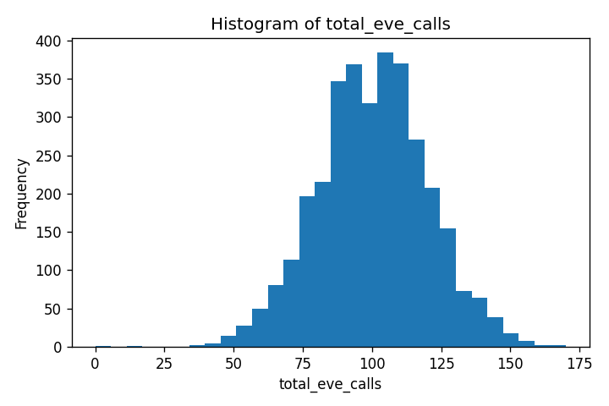
Column: total_eve_calls
Value | Count
0 | 1
12 | 1
36 | 1
37 | 1
42 | 1
43 | 1
44 | 1
45 | 1
46 | 3
48 | 6
49 | 1
50 | 4
51 | 5
52 | 5
53 | 3
54 | 5
55 | 2
56 | 8
57 | 4
58 | 11
59 | 8
60 | 12
61 | 9
62 | 6
63 | 13
64 | 15
65 | 19
66 | 14
67 | 20
68 | 16
69 | 18
70 | 17
71 | 23
72 | 17
...

total_eve_charge

Column: total_eve_charge
Value | Count
0.0 | 1
2.65 | 1
3.59 | 1
3.61 | 1
3.73 | 1
4.09 | 1
4.18 | 1
4.5 | 1
4.76 | 1
4.98 | 1
5.01 | 1
5.1 | 1
5.17 | 1
5.26 | 1
5.47 | 1
5.54 | 1
5.61 | 1
5.65 | 1
5.7 | 1
5.74 | 1
5.88 | 1
6.03 | 1
6.04 | 1
6.2 | 1
6.22 | 1
6.34 | 1
6.4 | 1
6.45 | 1
6.49 | 1
6.55 | 1
6.62 | 1
6.66 | 1
6.71 | 1
6.74 | 1
...

total_night_minutes
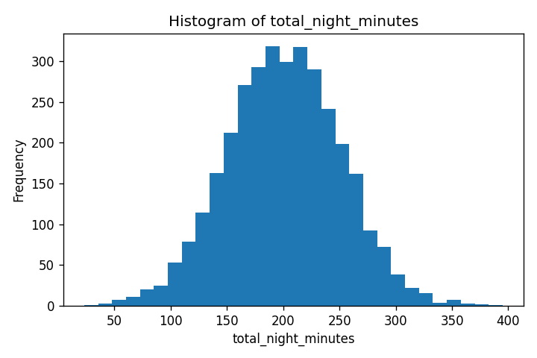
Column: total_night_minutes
Value | Count
23.2 | 1
43.7 | 1
45.0 | 1
47.4 | 1
50.1 | 2
53.3 | 1
54.0 | 1
54.5 | 1
56.6 | 1
57.5 | 1
61.4 | 1
63.3 | 1
63.6 | 1
64.2 | 1
65.7 | 1
65.8 | 1
67.7 | 1
70.6 | 1
71.1 | 1
72.2 | 1
72.4 | 1
73.2 | 2
73.7 | 1
75.8 | 1
76.4 | 2
76.5 | 1
77.2 | 1
77.3 | 1
77.9 | 1
78.1 | 1
79.3 | 1
79.7 | 1
79.9 | 1
80.2 | 1
...

total_night_calls
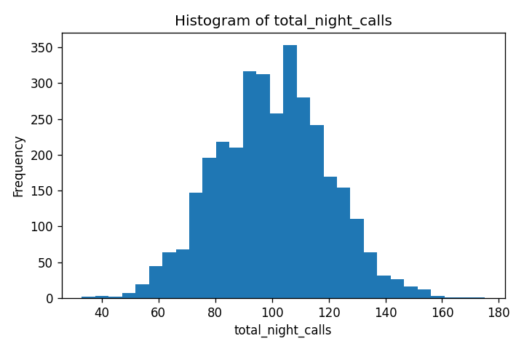
Column: total_night_calls
Value | Count
33 | 1
36 | 1
38 | 1
42 | 2
44 | 1
46 | 1
48 | 1
49 | 2
50 | 2
51 | 2
52 | 2
53 | 6
54 | 2
55 | 6
56 | 3
57 | 8
58 | 6
59 | 7
60 | 10
61 | 14
62 | 9
63 | 14
64 | 15
65 | 14
66 | 12
67 | 19
68 | 19
69 | 17
70 | 13
71 | 26
72 | 25
73 | 29
74 | 33
75 | 34
...

total_night_charge

Column: total_night_charge
Value | Count
1.04 | 1
1.97 | 1
2.03 | 1
2.13 | 1
2.25 | 2
2.4 | 1
2.43 | 1
2.45 | 1
2.55 | 1
2.59 | 1
2.76 | 1
2.85 | 1
2.86 | 1
2.89 | 1
2.96 | 2
3.05 | 1
3.18 | 1
3.2 | 1
3.25 | 1
3.26 | 1
3.29 | 2
3.32 | 1
3.41 | 1
3.44 | 3
3.47 | 1
3.48 | 1
3.51 | 2
3.57 | 1
3.59 | 1
3.6 | 1
3.61 | 1
3.67 | 1
3.7 | 1
3.71 | 1
...

total_intl_minutes
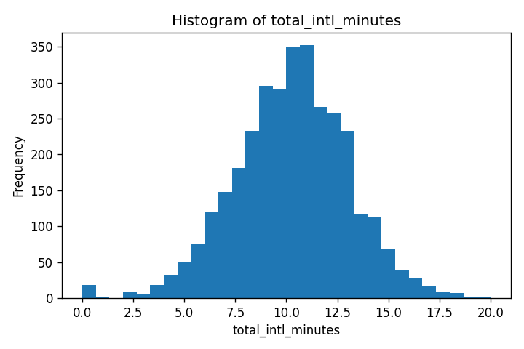
Column: total_intl_minutes
Value | Count
0.0 | 18
1.1 | 1
1.3 | 1
2.0 | 2
2.1 | 2
2.2 | 1
2.4 | 1
2.5 | 1
2.6 | 1
2.7 | 1
2.9 | 2
3.1 | 1
3.3 | 2
3.4 | 1
3.5 | 4
3.6 | 2
3.7 | 4
3.8 | 5
3.9 | 2
4.0 | 2
4.1 | 4
4.2 | 7
4.3 | 4
4.4 | 5
4.5 | 6
4.6 | 4
4.7 | 5
4.8 | 4
4.9 | 7
5.0 | 10
5.1 | 8
5.2 | 5
5.3 | 11
5.4 | 10
...

total_intl_calls
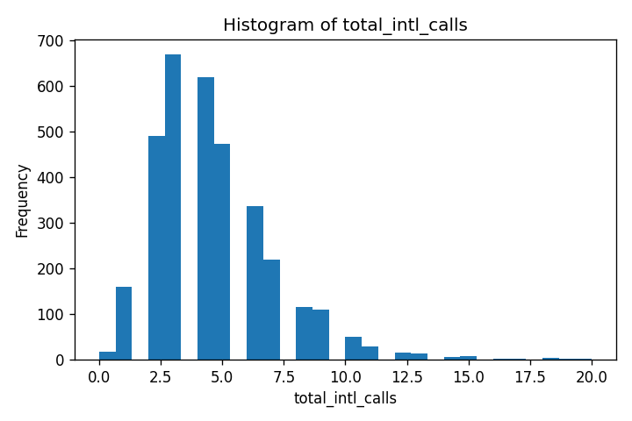
Column: total_intl_calls
Value | Count
0 | 18
1 | 160
2 | 489
3 | 668
4 | 619
5 | 472
6 | 336
7 | 218
8 | 116
9 | 109
10 | 50
11 | 28
12 | 15
13 | 14
14 | 6
15 | 7
16 | 2
17 | 1
18 | 3
19 | 1
20 | 1

total_intl_charge

Column: total_intl_charge
Value | Count
0.0 | 18
0.3 | 1
0.35 | 1
0.54 | 2
0.57 | 2
0.59 | 1
0.65 | 1
0.68 | 1
0.7 | 1
0.73 | 1
0.78 | 2
0.84 | 1
0.89 | 2
0.92 | 1
0.95 | 4
0.97 | 2
1.0 | 4
1.03 | 5
1.05 | 2
1.08 | 2
1.11 | 4
1.13 | 7
1.16 | 4
1.19 | 5
1.22 | 6
1.24 | 4
1.27 | 5
1.3 | 4
1.32 | 7
1.35 | 10
1.38 | 8
1.4 | 5
1.43 | 11
1.46 | 10
...

customer_service_calls
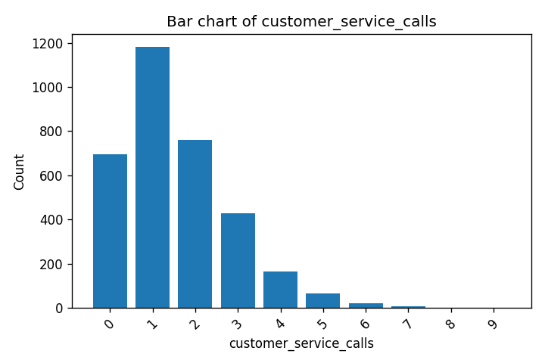
Column: customer_service_calls
Value | Count
0 | 697
1 | 1181
2 | 759
3 | 429
4 | 166
5 | 66
6 | 22
7 | 9
8 | 2
9 | 2

churn
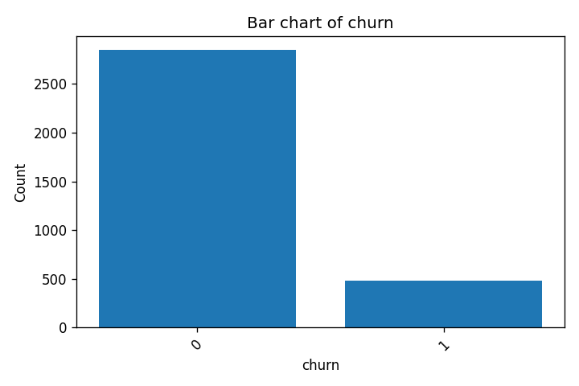
Column: churn
Value | Count
0 | 2850
1 | 483

